Summary
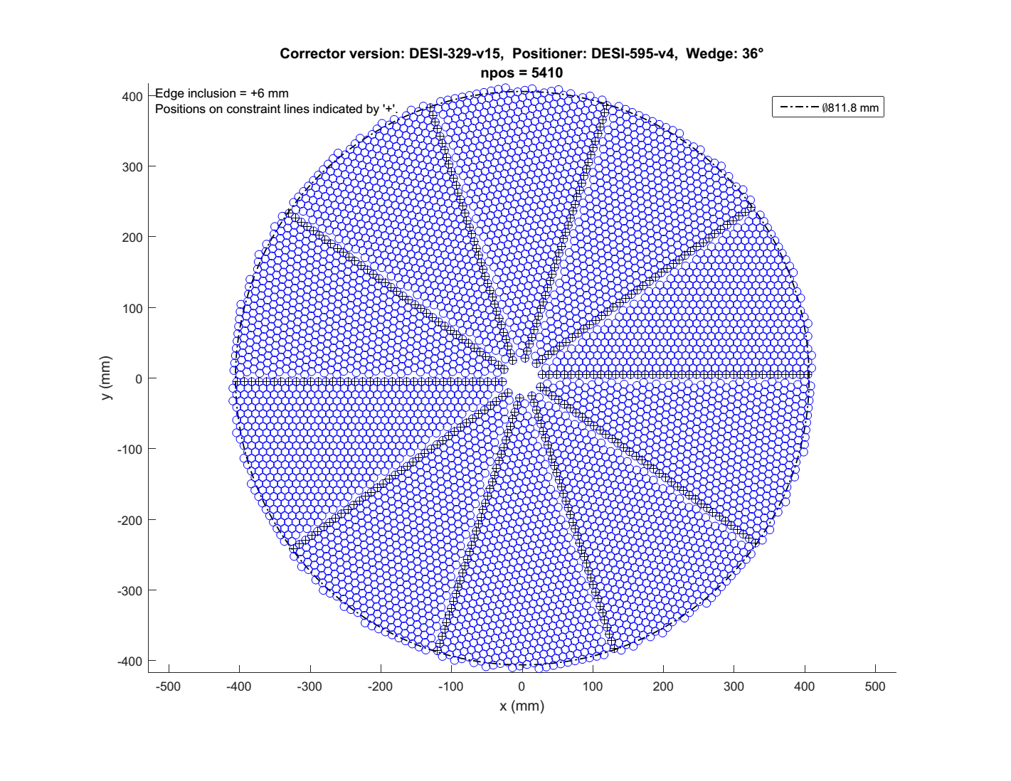
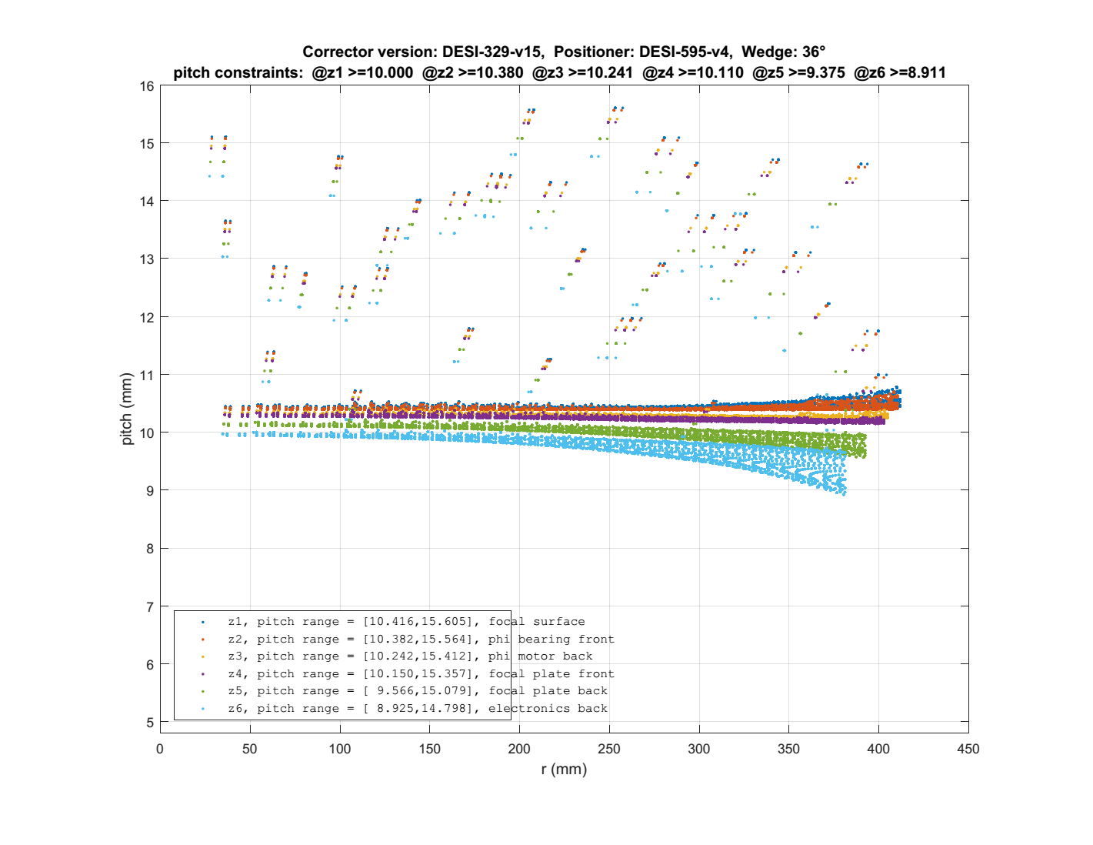
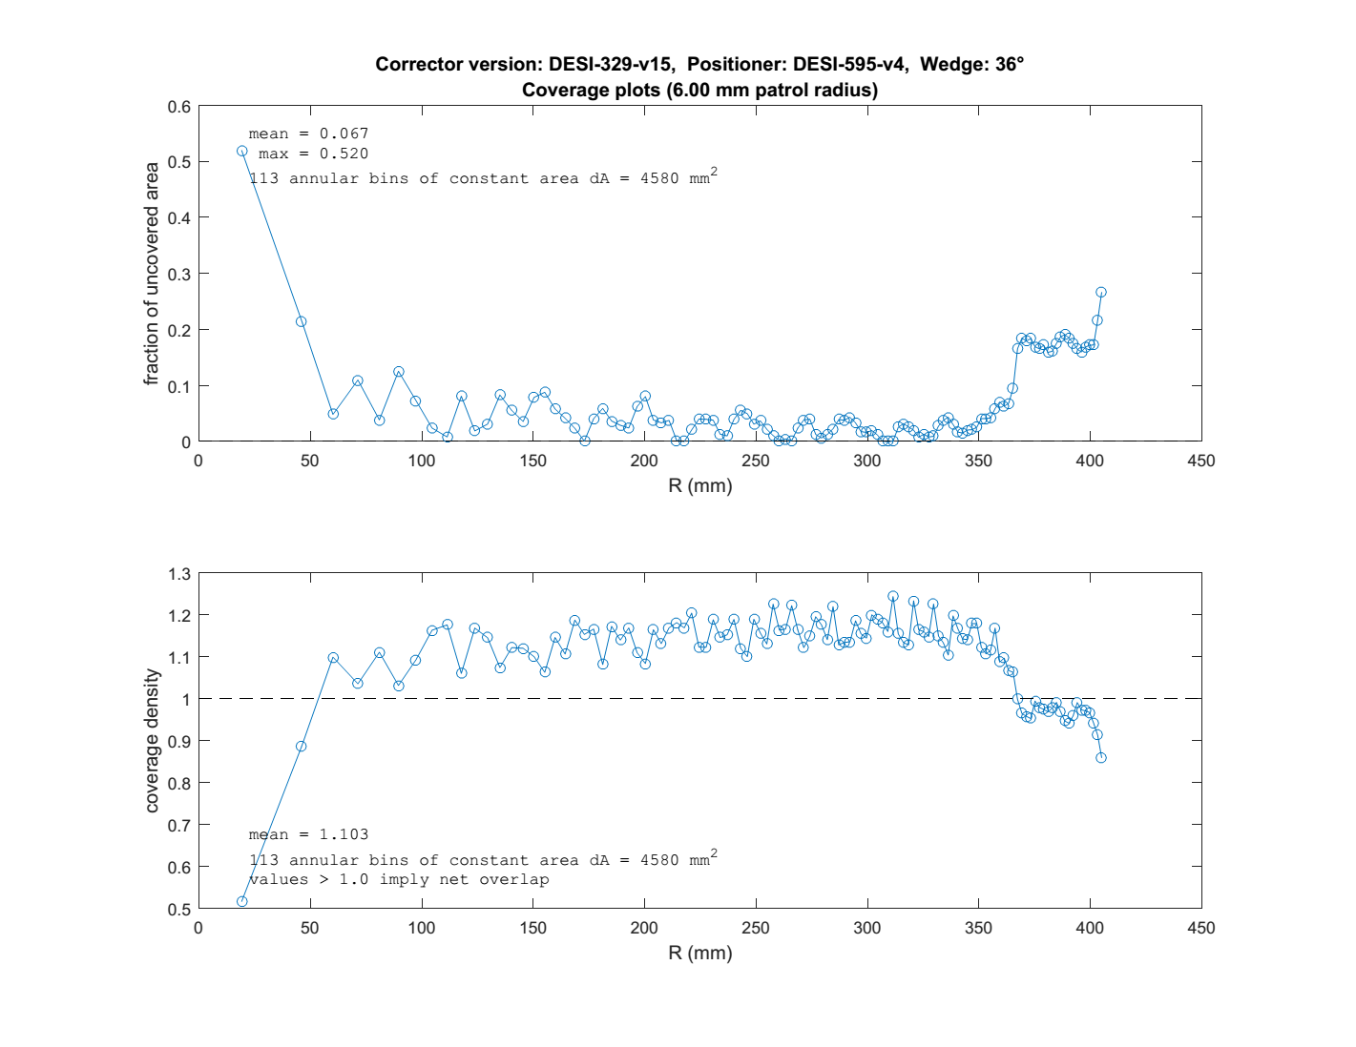
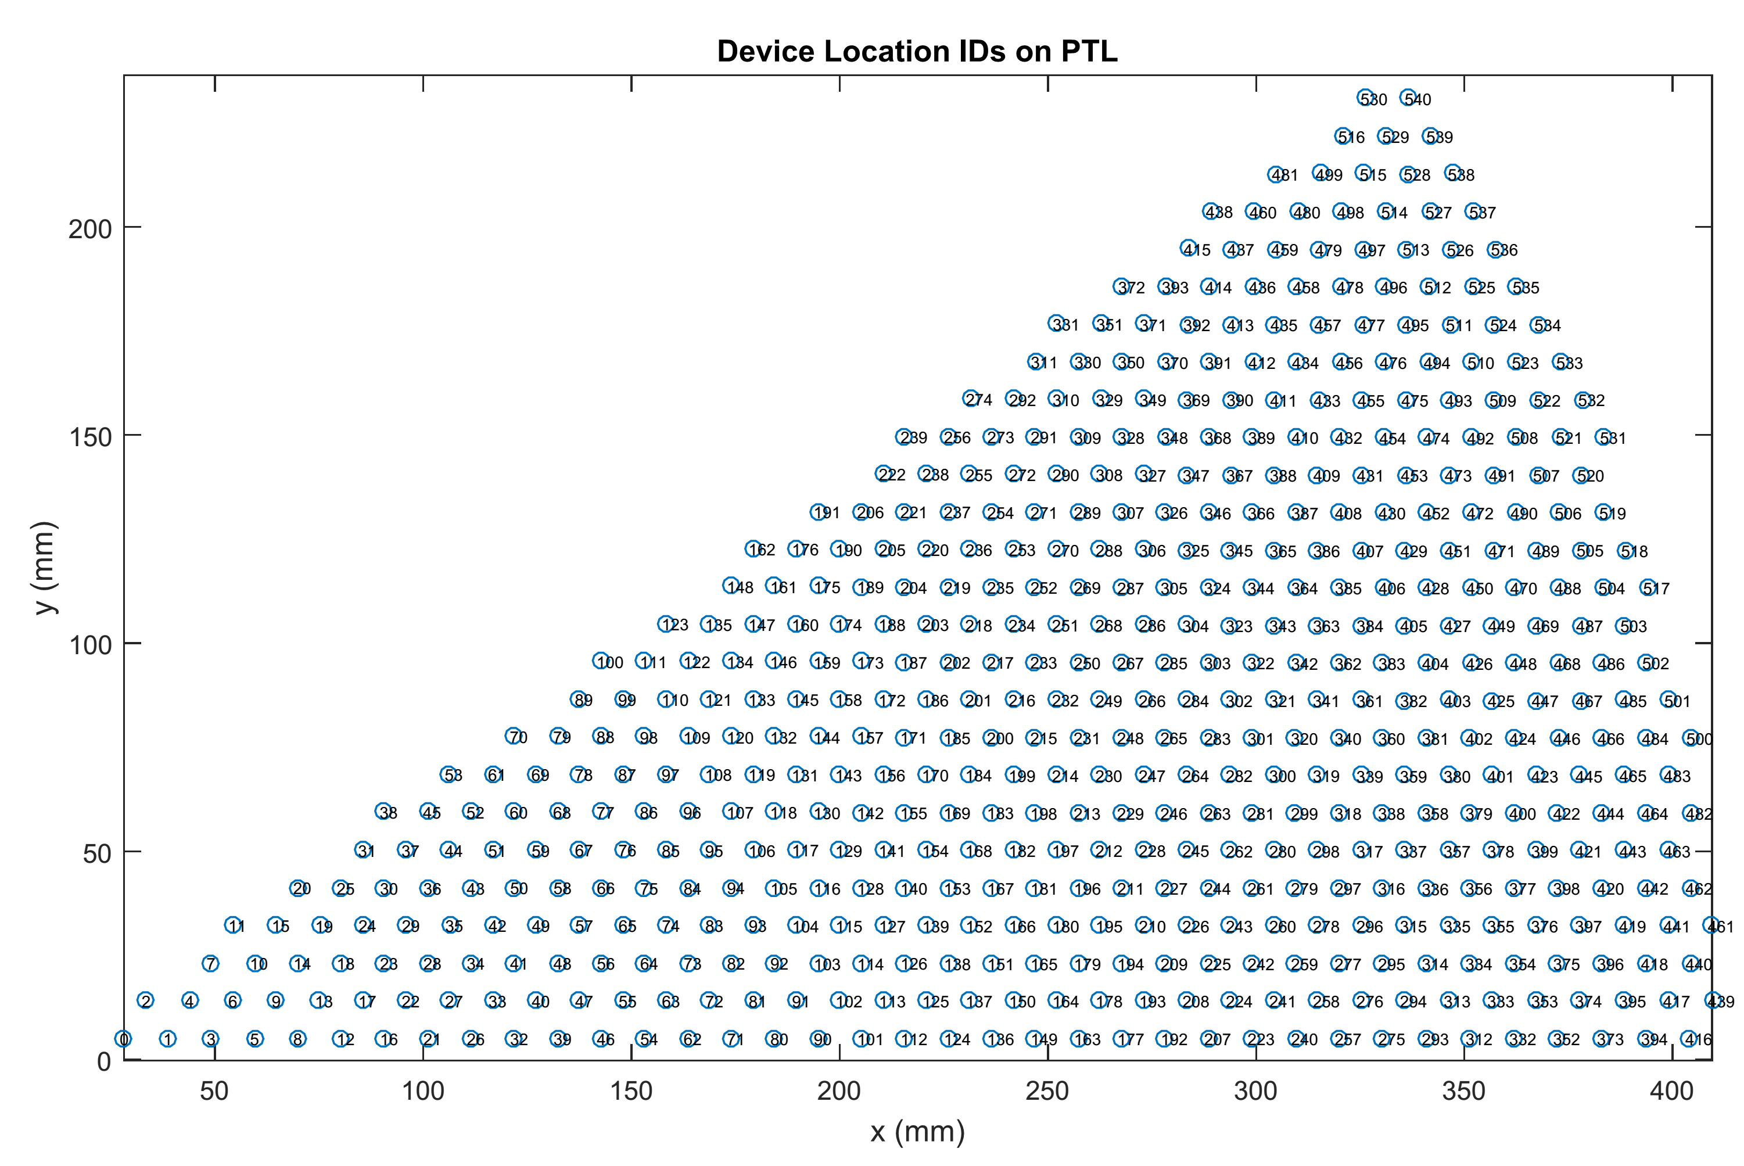
Focal plane layout summary

Patterning code and results files | - | https://desi.lbl.gov/svn/code/focalplane/plate_layout/tags/v1.6/matlab_code
Results files from patterning | - | https://desi.lbl.gov/svn/code/focalplane/plate_layout/tags/v1.6/results_files/echo22_layout_2015-04-20
Corrector Prescription | - | per DESI-0329-v15
FOV | deg | 3.2
Focal Surface Diameter | mm | 811.8 | 3.2deg FOV equivalent
Positioner Envelope | - | per DESI-595-v4 | positioner envelope based on ref 10.4 mm design with monte carlo tolerance analysis
Patrol Radius | mm | 6.0
Area | deg² | 8.042
petals | - | 10
positioners | - | 5000
GFAs | - | 10
field fiducials (FIF) | - | 100
GFA fiducials (GIF) | - | 20
min pitch | mm | 10.416 | Note these tabulations of center-to-center pitches are approximate. Include seam gaps, do not include GFA voids or fiducial knockouts.
max pitch | mm | 15.605
mean pitch | mm | 10.525
stdev pitch | mm | 0.469
mean uncovered area | - | 0.067 | Note these tabulations of patrol disk coverage are approximate. Include seam gaps and approximate GFA voids, but not fiducial knockouts.
mean coverage density | - | 1.103 | value > 1 implies net overlap
positioner and fiducial coverage area | deg² | 7.504
positioner coverage density | 1/deg² | 666.3 | i.e. positioners / deg²

PTL-GFA Layout
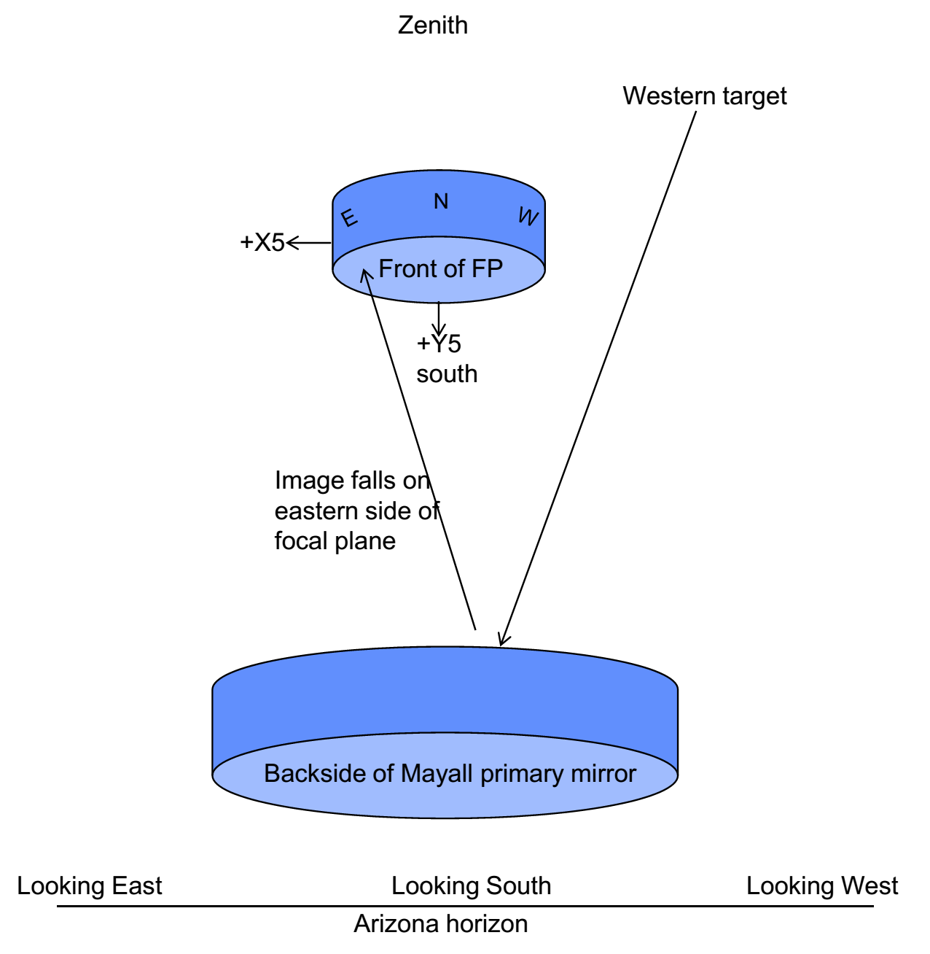
The layout and numbering of the 10 petals and GFA cameras is defined in DESI-0742.
A snapshot of DESI-0742-v3 is pasted below for convenience.
If applicable, any later approved version of DESI-0742 shall supersede the screenshot pasted below.

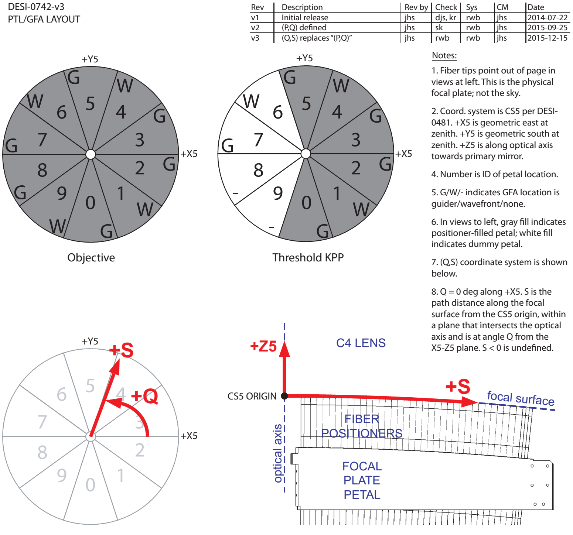
NOTE:
THE COORDINATE AXES OF PTL 3 ARE ALIGNED WITH CS5 SYSTEM.
THE OTHER PETALS ARE IDENTICAL, BUT ROTATED BY 36 DEG INCREMENTS.

GFALocation
GFA nominal location with respect to FPP (petal assembly) origin
FPP origin is coincident with coordinate system CS5, though of course rotated for each petal.
GFA is located such that 3 well-spaced interior points on a filter-focus-shifted plane will intersect the Echo22 asphere.
GFA is located to make area ahead of / behind focus nearly equal (as shown below).
All coordinates in mm.

Conventions on pixel origin, rows, and columns
 | Pixel (1,1) of the FITS file returned by camera.py is at corner N1 of the active area.
 | See below for nominal location and illustrations of this point.
 | X (column number) is aligned along N1 to N4.
 | Y (row number) is aligned along N1 to N2.

Nominal mechanical location of active area
 |  | Location w.r.t. CS5 |  |  |  | Min distance from point to Echo22 focal surface
 | active area corner | X | Y | Z | R | dX | dY | dZ | Note
 | N0 (ctr) | 333.738 | 217.766 | -20.055 | 398.501 | 0.177 | 0.115 | 2.223
 | N1 | 318.529 | 225.702 | -19.266 | 390.387 | 0.165 | 0.117 | 2.195
 | N2 | 330.901 | 234.691 | -20.699 | 405.679 | 0.173 | 0.123 | 2.176
 | N3 | 348.947 | 209.830 | -20.844 | 407.176 | 0.182 | 0.109 | 2.175
 | N4 | 336.574 | 200.841 | -19.410 | 391.943 | 0.175 | 0.105 | 2.195

Reference projection of active area (i.e. after the filter's focus shift is accounted for)
 |  | Location w.r.t. CS5 |  |  |  | Min distance from point to Echo22 focal surface
 | active area corner | X | Y | Z | R | dX | dY | dZ
 | P0 (ctr) | 333.912 | 217.880 | -17.842 | 398.709 | 0.001 | 0.001 | 0.011 | in FRONT of focal surface
 | P1 | 318.703 | 225.816 | -17.053 | 390.595 | -0.001 | -0.001 | -0.018 | BEHIND focal surface
 | P2 | 331.075 | 234.805 | -18.487 | 405.887 | -0.003 | -0.002 | -0.036 | BEHIND focal surface
 | P3 | 349.121 | 209.944 | -18.631 | 407.384 | -0.003 | -0.002 | -0.037 | BEHIND focal surface
 | P4 | 336.748 | 200.955 | -17.198 | 392.151 | -0.001 | -0.001 | -0.017 | BEHIND focal surface

For this projected area, the amount which is in FRONT of versus BEHIND the focal surface
(see diagram below)
 | Area in front | 224.444 | mm²
 | Area 1 behind | 230.684 | mm²
 | Area 2 behind | 16.713 | mm² | this is the slice of area that goes slightly past the nominal R=405.9mm extent in DESI-0329
 | Total area | 471.841 | mm²
 | % in front of focus | 47.6%
 | % behind focus 1 | 48.9%
 | % behind focus 2 | 3.5%

Locations of glass pieces
(see diagram below) |  | Locations of centers of bottom faces of the glass w.r.t. CS5
 | THICKNESS | X | Y | Z | R | PRECESSION (DEG)
 | 1.625 | 329.019 | 225.062 | -15.036 | 398.631 | 34.374 | wavefront
 | 8.375 | 339.239 | 210.980 | -15.117 | 399.494 | 31.878 | wavefront
 | 5.000 | 334.129 | 218.021 | -15.076 | 398.968 | 33.125 | guider

N1
N2
P3
P4
active area
Ref. projection of active area
(filter shifts focus from here to real active area of CCD)
Echo22 aspheric focal surface
R = 405.9 mm
tangent extension of Echo22 focal surface
filter
(5 mm thick)
P1
P2
N3
N4
N0
P0
GUIDER CONFIGURATION

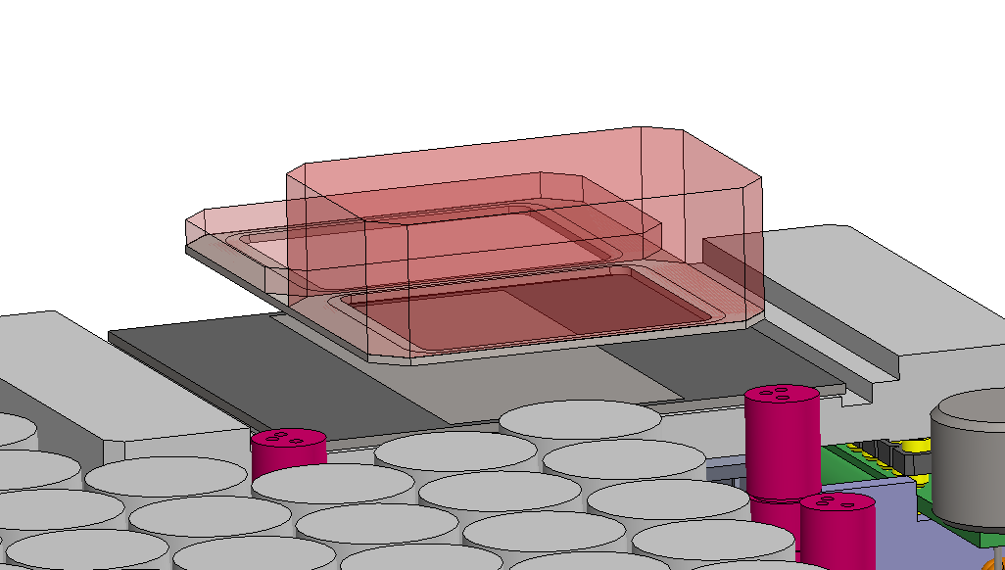
WAVEFRONT CONFIGURATION
thin filter
(1.625 mm)
thick filter
(8.375 mm)

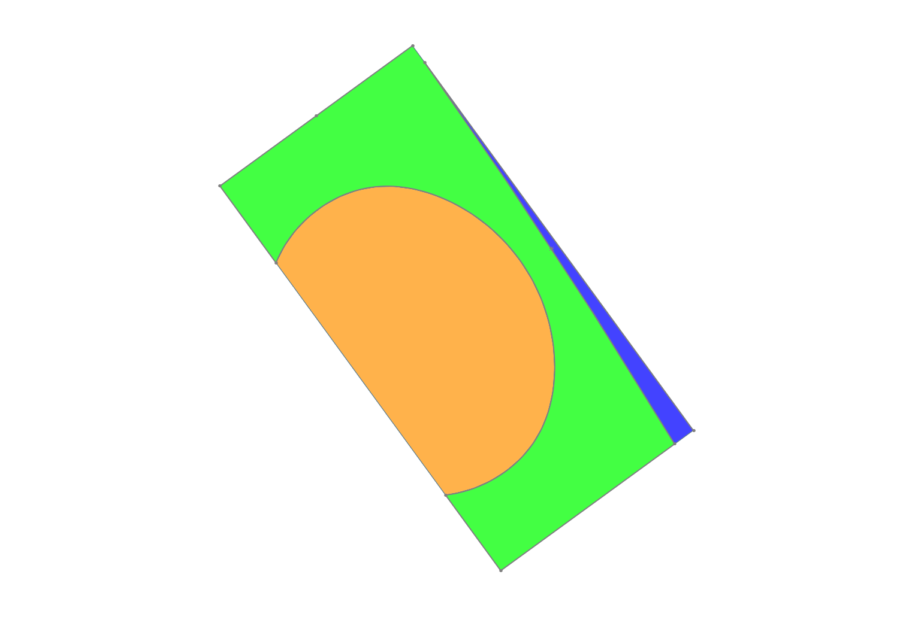
Ref. projection of active area (GUIDER)
(filter shifts focus from here to real active area of CCD)
R = 405.9 mm
area 1 behind focal surface
area ahead of focal surface
area 2 behind focal surface
P3
P4
P1
P2

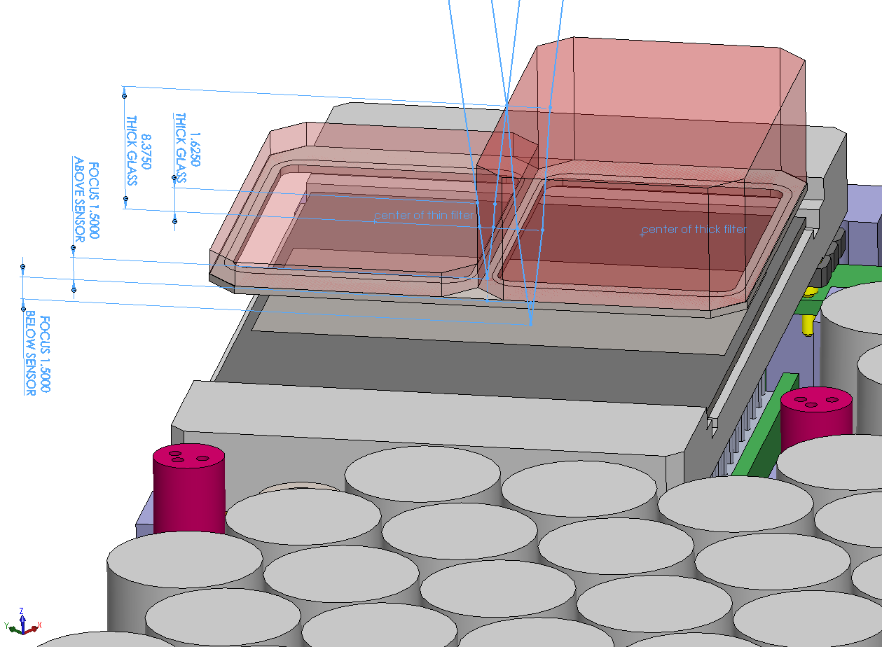
WAVEFRONT CONFIGURATION
nominal focus shifts of the split filter
(see DESI-0887 for filter specification)
at precess angle = 34.3°
at precess angle = 31.8°

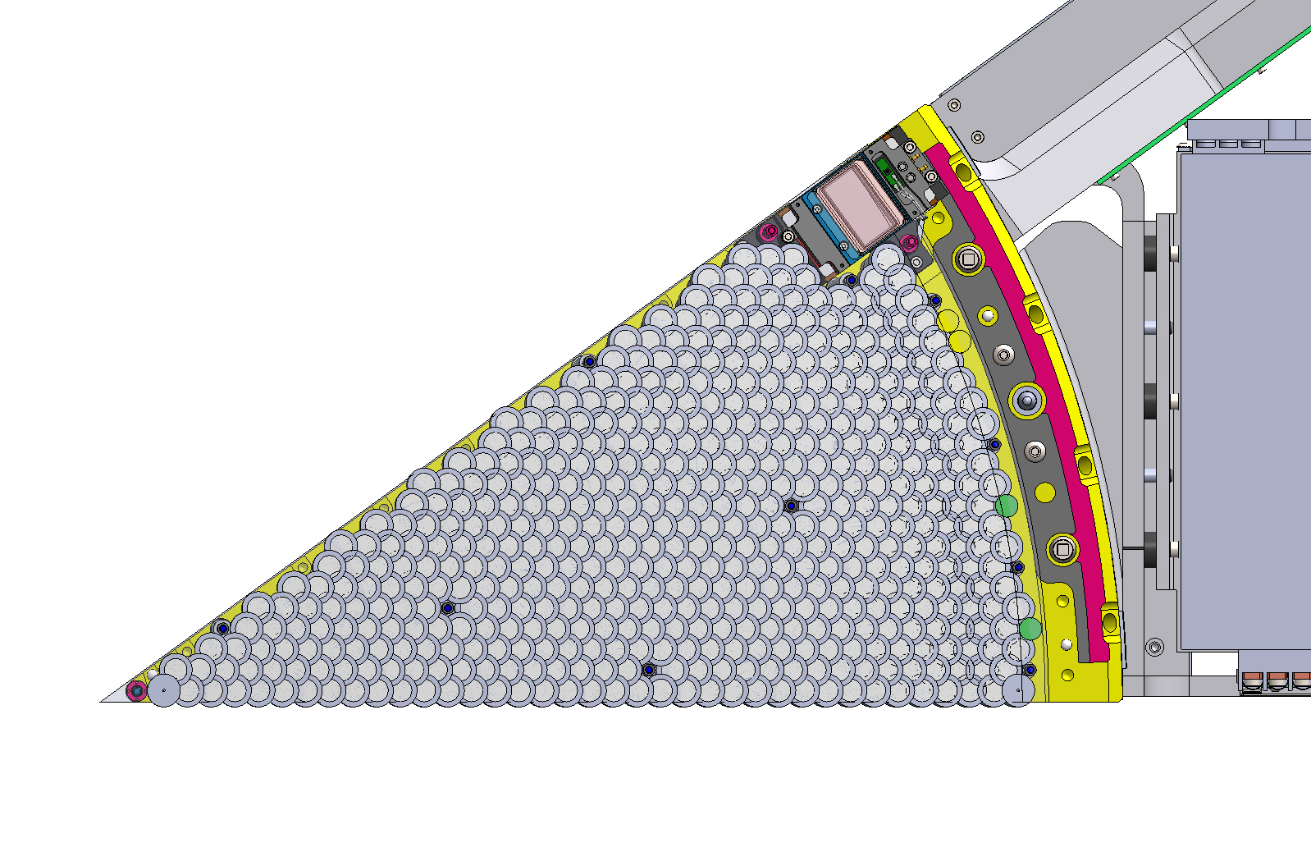
Active Area

GFA Camera

1
2
0
3
4

Petal Assembly

S,Z,N fits
Suggested polynomial and interpolation table for S = S(R):
The polynomials and table values below are NOT canonical.
They are given here for ease and speed of conversion between (X,Y,Z) and (Q,S) systems, and should be accurate to within the fit error shown in the table.
In any case of conflict, DESI-0329 supersedes.
Note that historically, the (Q,S) system was previously referred to as (P,Q), with the "Q" previously meaning distance, not angle.

Generating code: | https://desi.lbl.gov/svn/code/focalplane/plate_layout/tags/v1.9/matlab_code/focal_plane_polys_lookup.m
Results files: | https://desi.lbl.gov/svn/code/focalplane/plate_layout/tags/v1.9/results_files/echo22_polys_and_lookups

Polynomials:
Z5(R) = | -2.33702E-05 | 6.63924E-06 | -1.00884E-04 | 1.24578E-08 | -4.82781E-10 | 1.61621E-12 | -5.23944E-15 | 2.91680E-17 | -7.75243E-20 | 6.74215E-23 | (mm) distance from origin CS5 parallel to optical axis
S(R) = | 9.95083E-06 | 9.99997E-01 | 1.79466E-07 | 1.76983E-09 | 7.24320E-11 | -5.74381E-13 | 3.28356E-15 | -1.10626E-17 | 1.89154E-20 | -1.25367E-23 | (mm) integrated distance along surface from optical axis
N(R) = | 1.79952E-03 | 8.86563E-03 | -4.89332E-07 | -2.43550E-08 | 9.04557E-10 | -8.12081E-12 | 3.97099E-14 | -1.07267E-16 | 1.52602E-19 | -8.84928E-23 | (deg) nutation angle (angle of positioner or fiducial local central axis)
 | + | * R + | * R^2 + | * R^3 + | * R^4 + | * R^5 + | * R^6 + | * R^7 + | * R^8 + | * R^9

Look-up tables:
 | R | Z5 | S | N | Z fit error | S fit error | N fit error
 | mm | mm | mm | deg | mm | mm | deg
 | 0.0 | 0.000000 | 0.000000 | 0.001722 | -2.50E-05 | 0.00E+00 | -1.00E-06 |  |  |  | Confirmation of S from measuring zemax-outputted solid model:
 | 1.0 | -0.000100 | 1.000000 | 0.010606 | -2.50E-05 | 0.00E+00 | 0.00E+00 |  |  |  |  | R | 400.000000 |  | R | 28.611151733
 | 2.0 | -0.000402 | 2.000000 | 0.019486 | -2.50E-05 | 0.00E+00 | 0.00E+00 |  |  |  |  | S_model | 400.547896 | err w.r.t. model: | S_model | 28.61130972 | err w.r.t. model:
 | 3.0 | -0.000904 | 3.000000 | 0.028362 | -2.50E-05 | 0.00E+00 | 0.00E+00 |  |  |  |  | S_poly | 400.547865 | -0.000008% | S_poly | 28.611303 | -0.000022%
 | 4.0 | -0.001607 | 4.000000 | 0.037235 | -2.50E-05 | 0.00E+00 | 0.00E+00 |  |  |  |  | S_lookup | 400.547900 | 0.000001% | S_lookup | 28.611310 | 0.000001%
 | 5.0 | -0.002511 | 5.000001 | 0.046104 | -2.50E-05 | 0.00E+00 | 0.00E+00
 | 6.0 | -0.003616 | 6.000001 | 0.054970 | -2.50E-05 | 0.00E+00 | 0.00E+00 |  |  |  | Error of a linear interpolation of S based on lookup table:
 | 7.0 | -0.004922 | 7.000002 | 0.063833 | -2.50E-05 | 0.00E+00 | 0.00E+00 |  |  |  |  | R | 399.5
 | 8.0 | -0.006430 | 8.000003 | 0.072694 | -2.50E-05 | 0.00E+00 | 0.00E+00 |  |  |  |  | S_model | 400.045622 | err w.r.t. model:
 | 9.0 | -0.008138 | 9.000005 | 0.081551 | -2.50E-05 | 0.00E+00 | 0.00E+00 |  |  |  |  | S_poly | 400.045594 | -0.000007%
 | 10.0 | -0.010047 | 10.000007 | 0.090407 | -2.50E-05 | 0.00E+00 | 0.00E+00 |  |  |  |  |  | 399.0 | R Lo
 | 11.0 | -0.012158 | 11.000009 | 0.099260 | -2.50E-05 | 0.00E+00 | 0.00E+00 |  |  |  |  |  | 400.0 | R Hi
 | 12.0 | -0.014470 | 12.000012 | 0.108111 | -2.50E-05 | 0.00E+00 | 0.00E+00 |  |  |  |  |  | 399.543366 | S Lo
 | 13.0 | -0.016983 | 13.000015 | 0.116960 | -2.50E-05 | 0.00E+00 | 0.00E+00 |  |  |  |  |  | 400.5479 | S Hi
 | 14.0 | -0.019698 | 14.000018 | 0.125807 | -2.50E-05 | 0.00E+00 | 0.00E+00 |  |  |  |  | S_lookup | 400.045633 | 0.000003%
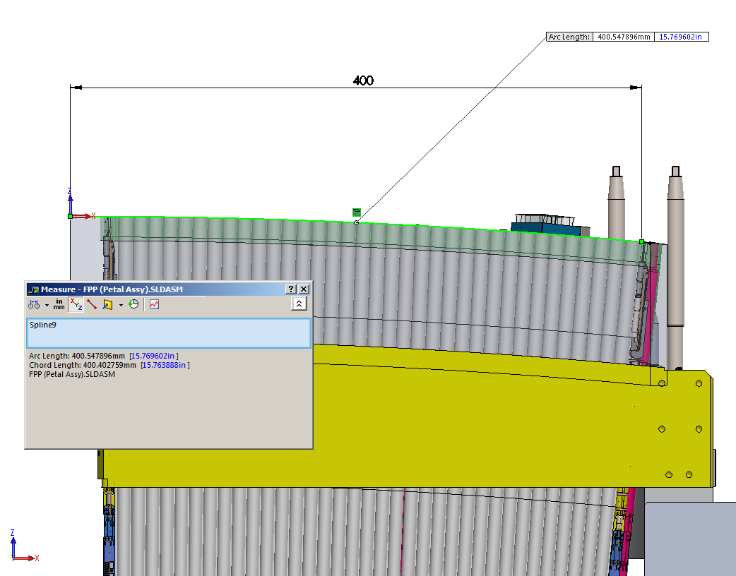
 | 15.0 | -0.022614 | 15.000023 | 0.134653 | -2.50E-05 | 0.00E+00 | 0.00E+00
 | 16.0 | -0.025733 | 16.000028 | 0.143497 | -2.50E-05 | 0.00E+00 | 0.00E+00
 | 17.0 | -0.029053 | 17.000033 | 0.152340 | -2.50E-05 | 0.00E+00 | 0.00E+00
 | 18.0 | -0.032574 | 18.000039 | 0.161182 | -2.50E-05 | 0.00E+00 | 0.00E+00
 | 19.0 | -0.036298 | 19.000046 | 0.170024 | -2.50E-05 | 0.00E+00 | 0.00E+00
 | 20.0 | -0.040224 | 20.000054 | 0.178864 | -2.50E-05 | 0.00E+00 | 0.00E+00
 | 21.0 | -0.044353 | 21.000062 | 0.187704 | -2.50E-05 | 0.00E+00 | 0.00E+00
 | 22.0 | -0.048683 | 22.000072 | 0.196543 | -2.50E-05 | 0.00E+00 | 0.00E+00
 | 23.0 | -0.053217 | 23.000082 | 0.205383 | -2.50E-05 | 0.00E+00 | 0.00E+00
 | 24.0 | -0.057953 | 24.000093 | 0.214222 | -2.50E-05 | 0.00E+00 | 0.00E+00
 | 25.0 | -0.062892 | 25.000106 | 0.223061 | -2.50E-05 | 0.00E+00 | 0.00E+00
 | 26.0 | -0.068034 | 26.000119 | 0.231900 | -2.50E-05 | 0.00E+00 | 0.00E+00
 | 27.0 | -0.073379 | 27.000133 | 0.240740 | -2.50E-05 | 0.00E+00 | 0.00E+00
 | 28.0 | -0.078928 | 28.000148 | 0.249580 | -2.50E-05 | 0.00E+00 | 0.00E+00
 | 29.0 | -0.084680 | 29.000165 | 0.258421 | -2.50E-05 | 0.00E+00 | 0.00E+00
 | 30.0 | -0.090636 | 30.000183 | 0.267262 | -2.60E-05 | 0.00E+00 | 0.00E+00
 | 31.0 | -0.096797 | 31.000202 | 0.276104 | -2.60E-05 | 0.00E+00 | 0.00E+00
 | 32.0 | -0.103161 | 32.000222 | 0.284948 | -2.60E-05 | 0.00E+00 | 0.00E+00
 | 33.0 | -0.109730 | 33.000244 | 0.293792 | -2.60E-05 | 0.00E+00 | 0.00E+00
 | 34.0 | -0.116503 | 34.000266 | 0.302638 | -2.60E-05 | 0.00E+00 | 0.00E+00
 | 35.0 | -0.123482 | 35.000291 | 0.311484 | -2.60E-05 | 0.00E+00 | 0.00E+00
 | 36.0 | -0.130665 | 36.000317 | 0.320333 | -2.60E-05 | 0.00E+00 | 0.00E+00
 | 37.0 | -0.138054 | 37.000344 | 0.329182 | -2.60E-05 | 0.00E+00 | 0.00E+00
 | 38.0 | -0.145648 | 38.000373 | 0.338034 | -2.60E-05 | 0.00E+00 | 0.00E+00
 | 39.0 | -0.153449 | 39.000403 | 0.346887 | -2.60E-05 | 0.00E+00 | 0.00E+00
 | 40.0 | -0.161455 | 40.000435 | 0.355742 | -2.60E-05 | 0.00E+00 | 0.00E+00
 | 41.0 | -0.169668 | 41.000469 | 0.364598 | -2.60E-05 | 0.00E+00 | 0.00E+00
 | 42.0 | -0.178087 | 42.000504 | 0.373458 | -2.60E-05 | 0.00E+00 | 0.00E+00
 | 43.0 | -0.186713 | 43.000542 | 0.382319 | -2.60E-05 | 0.00E+00 | 0.00E+00
 | 44.0 | -0.195546 | 44.000581 | 0.391184 | -2.60E-05 | 0.00E+00 | 0.00E+00
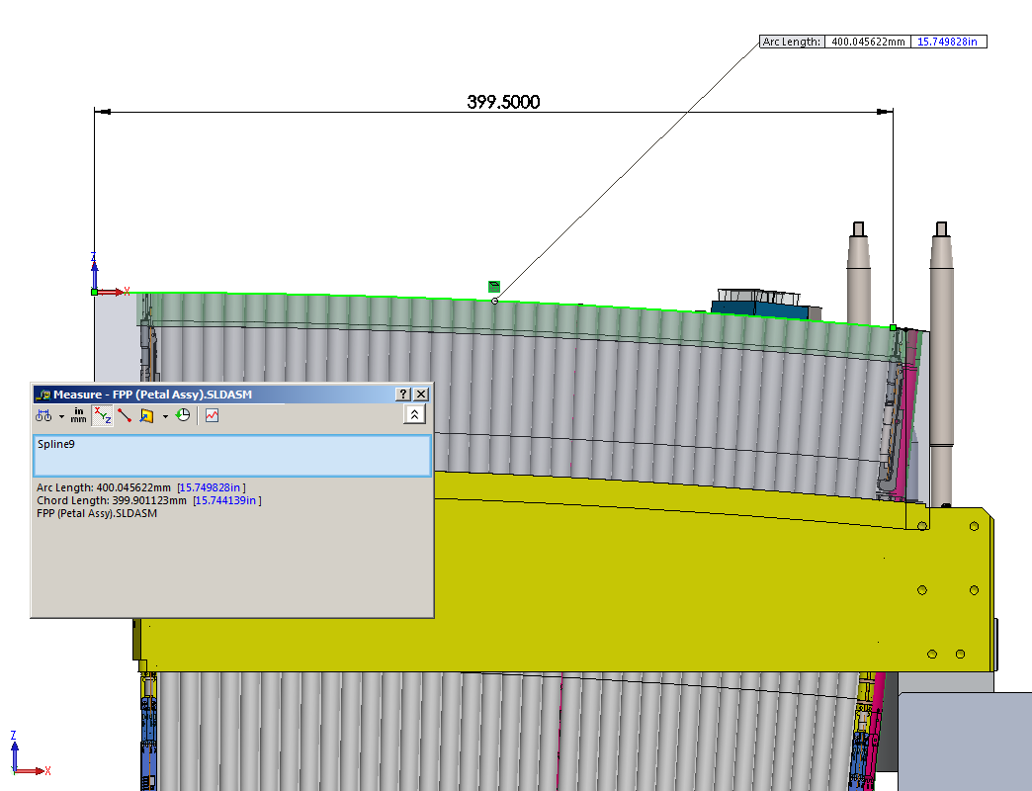
 | 45.0 | -0.204587 | 45.000621 | 0.400052 | -2.60E-05 | 0.00E+00 | 0.00E+00
 | 46.0 | -0.213835 | 46.000664 | 0.408924 | -2.60E-05 | 0.00E+00 | 0.00E+00
 | 47.0 | -0.223291 | 47.000709 | 0.417799 | -2.60E-05 | 0.00E+00 | 1.00E-06
 | 48.0 | -0.232956 | 48.000756 | 0.426678 | -2.60E-05 | 0.00E+00 | 1.00E-06
 | 49.0 | -0.242829 | 49.000804 | 0.435562 | -2.60E-05 | 0.00E+00 | 1.00E-06
 | 50.0 | -0.252911 | 50.000855 | 0.444450 | -2.60E-05 | 0.00E+00 | 1.00E-06
 | 51.0 | -0.263203 | 51.000908 | 0.453343 | -2.60E-05 | 0.00E+00 | 1.00E-06
 | 52.0 | -0.273703 | 52.000963 | 0.462241 | -2.60E-05 | 0.00E+00 | 1.00E-06
 | 53.0 | -0.284414 | 53.001021 | 0.471145 | -2.60E-05 | 0.00E+00 | 1.00E-06
 | 54.0 | -0.295334 | 54.001080 | 0.480054 | -2.60E-05 | 0.00E+00 | 1.00E-06
 | 55.0 | -0.306465 | 55.001142 | 0.488969 | -2.60E-05 | 0.00E+00 | 1.00E-06
 | 56.0 | -0.317807 | 56.001207 | 0.497890 | -2.60E-05 | 0.00E+00 | 1.00E-06
 | 57.0 | -0.329360 | 57.001273 | 0.506817 | -2.60E-05 | 0.00E+00 | 1.00E-06
 | 58.0 | -0.341125 | 58.001343 | 0.515750 | -2.60E-05 | 0.00E+00 | 1.00E-06
 | 59.0 | -0.353101 | 59.001414 | 0.524690 | -2.70E-05 | 0.00E+00 | 1.00E-06
 | 60.0 | -0.365289 | 60.001489 | 0.533638 | -2.70E-05 | 0.00E+00 | 1.00E-06
 | 61.0 | -0.377690 | 61.001565 | 0.542592 | -2.70E-05 | 0.00E+00 | 1.00E-06
 | 62.0 | -0.390303 | 62.001645 | 0.551553 | -2.70E-05 | 0.00E+00 | 1.00E-06
 | 63.0 | -0.403130 | 63.001727 | 0.560522 | -2.70E-05 | 0.00E+00 | 1.00E-06
 | 64.0 | -0.416170 | 64.001812 | 0.569498 | -2.70E-05 | 0.00E+00 | 1.00E-06
 | 65.0 | -0.429424 | 65.001900 | 0.578482 | -2.70E-05 | 0.00E+00 | 1.00E-06
 | 66.0 | -0.442892 | 66.001991 | 0.587474 | -2.70E-05 | 0.00E+00 | 1.00E-06
 | 67.0 | -0.456574 | 67.002084 | 0.596474 | -2.70E-05 | 0.00E+00 | 1.00E-06
 | 68.0 | -0.470472 | 68.002181 | 0.605482 | -2.70E-05 | 0.00E+00 | 1.00E-06
 | 69.0 | -0.484585 | 69.002280 | 0.614498 | -2.70E-05 | 0.00E+00 | 1.00E-06
 | 70.0 | -0.498913 | 70.002383 | 0.623523 | -2.70E-05 | 0.00E+00 | 1.00E-06
 | 71.0 | -0.513458 | 71.002489 | 0.632556 | -2.70E-05 | 0.00E+00 | 1.00E-06
 | 72.0 | -0.528218 | 72.002598 | 0.641598 | -2.70E-05 | 0.00E+00 | 1.00E-06
 | 73.0 | -0.543196 | 73.002710 | 0.650648 | -2.70E-05 | 0.00E+00 | 1.00E-06
 | 74.0 | -0.558391 | 74.002825 | 0.659707 | -2.70E-05 | 0.00E+00 | 1.00E-06
 | 75.0 | -0.573803 | 75.002944 | 0.668776 | -2.70E-05 | 0.00E+00 | 1.00E-06
 | 76.0 | -0.589433 | 76.003066 | 0.677853 | -2.70E-05 | 0.00E+00 | 1.00E-06
 | 77.0 | -0.605281 | 77.003192 | 0.686939 | -2.70E-05 | 0.00E+00 | 1.00E-06
 | 78.0 | -0.621348 | 78.003321 | 0.696034 | -2.70E-05 | 0.00E+00 | 1.00E-06
 | 79.0 | -0.637634 | 79.003454 | 0.705139 | -2.70E-05 | 0.00E+00 | 1.00E-06
 | 80.0 | -0.654140 | 80.003590 | 0.714253 | -2.70E-05 | 0.00E+00 | 1.00E-06
 | 81.0 | -0.670865 | 81.003730 | 0.723376 | -2.80E-05 | 0.00E+00 | 1.00E-06
 | 82.0 | -0.687810 | 82.003873 | 0.732509 | -2.80E-05 | 0.00E+00 | 1.00E-06
 | 83.0 | -0.704975 | 83.004021 | 0.741653 | -2.80E-05 | 0.00E+00 | 1.00E-06
 | 84.0 | -0.722362 | 84.004172 | 0.750806 | -2.80E-05 | 0.00E+00 | 1.00E-06
 | 85.0 | -0.739970 | 85.004327 | 0.759971 | -2.80E-05 | 0.00E+00 | 1.00E-06
 | 86.0 | -0.757799 | 86.004486 | 0.769145 | -2.80E-05 | 1.00E-06 | 1.00E-06
 | 87.0 | -0.775851 | 87.004649 | 0.778331 | -2.80E-05 | 1.00E-06 | 1.00E-06
 | 88.0 | -0.794125 | 88.004815 | 0.787528 | -2.80E-05 | 1.00E-06 | 1.00E-06
 | 89.0 | -0.812621 | 89.004987 | 0.796737 | -2.80E-05 | 1.00E-06 | 1.00E-06
 | 90.0 | -0.831341 | 90.005162 | 0.805956 | -2.80E-05 | 1.00E-06 | 1.00E-06
 | 91.0 | -0.850285 | 91.005341 | 0.815188 | -2.80E-05 | 1.00E-06 | 1.00E-06
 | 92.0 | -0.869452 | 92.005525 | 0.824431 | -2.80E-05 | 1.00E-06 | 2.00E-06
 | 93.0 | -0.888843 | 93.005713 | 0.833686 | -2.80E-05 | 1.00E-06 | 2.00E-06
 | 94.0 | -0.908460 | 94.005905 | 0.842953 | -2.80E-05 | 1.00E-06 | 2.00E-06
 | 95.0 | -0.928301 | 95.006102 | 0.852233 | -2.80E-05 | 1.00E-06 | 2.00E-06
 | 96.0 | -0.948367 | 96.006303 | 0.861525 | -2.80E-05 | 1.00E-06 | 2.00E-06
 | 97.0 | -0.968660 | 97.006509 | 0.870829 | -2.80E-05 | 1.00E-06 | 2.00E-06
 | 98.0 | -0.989178 | 98.006720 | 0.880146 | -2.80E-05 | 1.00E-06 | 2.00E-06
 | 99.0 | -1.009923 | 99.006935 | 0.889476 | -2.80E-05 | 1.00E-06 | 2.00E-06
 | 100.0 | -1.030895 | 100.007155 | 0.898818 | -2.80E-05 | 1.00E-06 | 2.00E-06
 | 101.0 | -1.052094 | 101.007379 | 0.908173 | -2.80E-05 | 1.00E-06 | 2.00E-06
 | 102.0 | -1.073521 | 102.007609 | 0.917542 | -2.90E-05 | 1.00E-06 | 2.00E-06
 | 103.0 | -1.095175 | 103.007843 | 0.926923 | -2.90E-05 | 1.00E-06 | 2.00E-06
 | 104.0 | -1.117058 | 104.008083 | 0.936318 | -2.90E-05 | 1.00E-06 | 2.00E-06
 | 105.0 | -1.139169 | 105.008327 | 0.945725 | -2.90E-05 | 1.00E-06 | 2.00E-06
 | 106.0 | -1.161510 | 106.008577 | 0.955146 | -2.90E-05 | 1.00E-06 | 2.00E-06
 | 107.0 | -1.184079 | 107.008831 | 0.964580 | -2.90E-05 | 1.00E-06 | 2.00E-06
 | 108.0 | -1.206879 | 108.009091 | 0.974027 | -2.90E-05 | 1.00E-06 | 2.00E-06
 | 109.0 | -1.229908 | 109.009356 | 0.983488 | -2.90E-05 | 1.00E-06 | 2.00E-06
 | 110.0 | -1.253168 | 110.009627 | 0.992962 | -2.90E-05 | 1.00E-06 | 2.00E-06
 | 111.0 | -1.276658 | 111.009903 | 1.002449 | -2.90E-05 | 1.00E-06 | 2.00E-06
 | 112.0 | -1.300379 | 112.010184 | 1.011950 | -2.90E-05 | 1.00E-06 | 2.00E-06
 | 113.0 | -1.324332 | 113.010471 | 1.021464 | -2.90E-05 | 1.00E-06 | 2.00E-06
 | 114.0 | -1.348516 | 114.010763 | 1.030991 | -2.90E-05 | 1.00E-06 | 2.00E-06
 | 115.0 | -1.372932 | 115.011061 | 1.040532 | -2.90E-05 | 1.00E-06 | 2.00E-06
 | 116.0 | -1.397580 | 116.011365 | 1.050086 | -2.90E-05 | 1.00E-06 | 2.00E-06
 | 117.0 | -1.422461 | 117.011674 | 1.059653 | -2.90E-05 | 1.00E-06 | 2.00E-06
 | 118.0 | -1.447575 | 118.011990 | 1.069234 | -2.90E-05 | 1.00E-06 | 2.00E-06
 | 119.0 | -1.472921 | 119.012311 | 1.078828 | -2.90E-05 | 1.00E-06 | 2.00E-06
 | 120.0 | -1.498501 | 120.012638 | 1.088435 | -2.90E-05 | 1.00E-06 | 2.00E-06
 | 121.0 | -1.524315 | 121.012971 | 1.098057 | -2.90E-05 | 1.00E-06 | 2.00E-06
 | 122.0 | -1.550363 | 122.013310 | 1.107693 | -2.90E-05 | 1.00E-06 | 2.00E-06
 | 123.0 | -1.576645 | 123.013656 | 1.117343 | -2.90E-05 | 1.00E-06 | 2.00E-06
 | 124.0 | -1.603162 | 124.014007 | 1.127009 | -2.90E-05 | 1.00E-06 | 2.00E-06
 | 125.0 | -1.629914 | 125.014365 | 1.136690 | -2.90E-05 | 1.00E-06 | 2.00E-06
 | 126.0 | -1.656900 | 126.014729 | 1.146386 | -2.90E-05 | 1.00E-06 | 2.00E-06
 | 127.0 | -1.684122 | 127.015100 | 1.156098 | -2.90E-05 | 1.00E-06 | 2.00E-06
 | 128.0 | -1.711579 | 128.015476 | 1.165826 | -2.90E-05 | 1.00E-06 | 2.00E-06
 | 129.0 | -1.739273 | 129.015860 | 1.175570 | -3.00E-05 | 1.00E-06 | 2.00E-06
 | 130.0 | -1.767202 | 130.016250 | 1.185331 | -3.00E-05 | 1.00E-06 | 2.00E-06
 | 131.0 | -1.795367 | 131.016646 | 1.195109 | -3.00E-05 | 1.00E-06 | 2.00E-06
 | 132.0 | -1.823769 | 132.017050 | 1.204903 | -3.00E-05 | 1.00E-06 | 2.00E-06
 | 133.0 | -1.852408 | 133.017460 | 1.214715 | -3.00E-05 | 1.00E-06 | 2.00E-06
 | 134.0 | -1.881284 | 134.017876 | 1.224545 | -3.00E-05 | 1.00E-06 | 2.00E-06
 | 135.0 | -1.910397 | 135.018300 | 1.234392 | -3.00E-05 | 1.00E-06 | 2.00E-06
 | 136.0 | -1.939747 | 136.018731 | 1.244257 | -3.00E-05 | 1.00E-06 | 2.00E-06
 | 137.0 | -1.969334 | 137.019168 | 1.254140 | -3.00E-05 | 1.00E-06 | 2.00E-06
 | 138.0 | -1.999160 | 138.019613 | 1.264042 | -3.00E-05 | 1.00E-06 | 2.00E-06
 | 139.0 | -2.029223 | 139.020065 | 1.273963 | -3.00E-05 | 1.00E-06 | 2.00E-06
 | 140.0 | -2.059525 | 140.020524 | 1.283902 | -3.00E-05 | 1.00E-06 | 2.00E-06
 | 141.0 | -2.090064 | 141.020990 | 1.293860 | -3.00E-05 | 1.00E-06 | 2.00E-06
 | 142.0 | -2.120842 | 142.021464 | 1.303838 | -3.00E-05 | 1.00E-06 | 2.00E-06
 | 143.0 | -2.151859 | 143.021944 | 1.313835 | -3.00E-05 | 1.00E-06 | 2.00E-06
 | 144.0 | -2.183114 | 144.022433 | 1.323851 | -3.00E-05 | 1.00E-06 | 2.00E-06
 | 145.0 | -2.214608 | 145.022929 | 1.333887 | -3.00E-05 | 1.00E-06 | 3.00E-06
 | 146.0 | -2.246341 | 146.023432 | 1.343944 | -3.00E-05 | 1.00E-06 | 3.00E-06
 | 147.0 | -2.278314 | 147.023943 | 1.354020 | -3.00E-05 | 1.00E-06 | 3.00E-06
 | 148.0 | -2.310525 | 148.024462 | 1.364117 | -3.00E-05 | 1.00E-06 | 3.00E-06
 | 149.0 | -2.342976 | 149.024988 | 1.374235 | -3.00E-05 | 1.00E-06 | 3.00E-06
 | 150.0 | -2.375666 | 150.025522 | 1.384373 | -3.00E-05 | 1.00E-06 | 3.00E-06
 | 151.0 | -2.408596 | 151.026064 | 1.394532 | -3.00E-05 | 1.00E-06 | 3.00E-06
 | 152.0 | -2.441765 | 152.026614 | 1.404712 | -3.00E-05 | 1.00E-06 | 3.00E-06
 | 153.0 | -2.475174 | 153.027172 | 1.414913 | -3.00E-05 | 1.00E-06 | 3.00E-06
 | 154.0 | -2.508823 | 154.027738 | 1.425136 | -3.00E-05 | 1.00E-06 | 3.00E-06
 | 155.0 | -2.542712 | 155.028312 | 1.435380 | -3.00E-05 | 1.00E-06 | 3.00E-06
 | 156.0 | -2.576840 | 156.028894 | 1.445646 | -3.00E-05 | 1.00E-06 | 3.00E-06
 | 157.0 | -2.611209 | 157.029485 | 1.455934 | -3.00E-05 | 1.00E-06 | 3.00E-06
 | 158.0 | -2.645817 | 158.030083 | 1.466244 | -3.00E-05 | 1.00E-06 | 3.00E-06
 | 159.0 | -2.680666 | 159.030690 | 1.476576 | -3.00E-05 | 1.00E-06 | 3.00E-06
 | 160.0 | -2.715754 | 160.031306 | 1.486931 | -3.00E-05 | 1.00E-06 | 3.00E-06
 | 161.0 | -2.751083 | 161.031930 | 1.497309 | -3.00E-05 | 1.00E-06 | 3.00E-06
 | 162.0 | -2.786652 | 162.032562 | 1.507710 | -3.00E-05 | 1.00E-06 | 3.00E-06
 | 163.0 | -2.822461 | 163.033203 | 1.518134 | -3.00E-05 | 1.00E-06 | 3.00E-06
 | 164.0 | -2.858510 | 164.033853 | 1.528582 | -3.00E-05 | 1.00E-06 | 3.00E-06
 | 165.0 | -2.894799 | 165.034511 | 1.539054 | -3.00E-05 | 1.00E-06 | 3.00E-06
 | 166.0 | -2.931329 | 166.035178 | 1.549550 | -3.00E-05 | 1.00E-06 | 3.00E-06
 | 167.0 | -2.968098 | 167.035854 | 1.560071 | -3.00E-05 | 1.00E-06 | 3.00E-06
 | 168.0 | -3.005107 | 168.036538 | 1.570616 | -3.00E-05 | 1.00E-06 | 3.00E-06
 | 169.0 | -3.042357 | 169.037232 | 1.581187 | -3.00E-05 | 1.00E-06 | 3.00E-06
 | 170.0 | -3.079846 | 170.037934 | 1.591782 | -3.00E-05 | 1.00E-06 | 3.00E-06
 | 171.0 | -3.117575 | 171.038646 | 1.602404 | -3.00E-05 | 1.00E-06 | 3.00E-06
 | 172.0 | -3.155544 | 172.039366 | 1.613051 | -3.00E-05 | 1.00E-06 | 3.00E-06
 | 173.0 | -3.193753 | 173.040096 | 1.623724 | -3.00E-05 | 1.00E-06 | 3.00E-06
 | 174.0 | -3.232201 | 174.040835 | 1.634424 | -3.00E-05 | 1.00E-06 | 3.00E-06
 | 175.0 | -3.270890 | 175.041583 | 1.645150 | -3.00E-05 | 1.00E-06 | 3.00E-06
 | 176.0 | -3.309817 | 176.042340 | 1.655903 | -3.00E-05 | 1.00E-06 | 3.00E-06
 | 177.0 | -3.348984 | 177.043107 | 1.666684 | -3.00E-05 | 1.00E-06 | 3.00E-06
 | 178.0 | -3.388391 | 178.043883 | 1.677492 | -3.00E-05 | 1.00E-06 | 4.00E-06
 | 179.0 | -3.428036 | 179.044669 | 1.688328 | -3.00E-05 | 1.00E-06 | 4.00E-06
 | 180.0 | -3.467921 | 180.045464 | 1.699192 | -3.00E-05 | 1.00E-06 | 4.00E-06
 | 181.0 | -3.508044 | 181.046269 | 1.710085 | -3.00E-05 | 1.00E-06 | 4.00E-06
 | 182.0 | -3.548407 | 182.047083 | 1.721007 | -3.00E-05 | 1.00E-06 | 4.00E-06
 | 183.0 | -3.589008 | 183.047907 | 1.731957 | -3.00E-05 | 1.00E-06 | 4.00E-06
 | 184.0 | -3.629848 | 184.048740 | 1.742937 | -3.00E-05 | 1.00E-06 | 4.00E-06
 | 185.0 | -3.670926 | 185.049584 | 1.753947 | -3.00E-05 | 1.00E-06 | 4.00E-06
 | 186.0 | -3.712242 | 186.050437 | 1.764987 | -3.00E-05 | 1.00E-06 | 4.00E-06
 | 187.0 | -3.753796 | 187.051300 | 1.776057 | -3.00E-05 | 1.00E-06 | 4.00E-06
 | 188.0 | -3.795589 | 188.052173 | 1.787158 | -3.00E-05 | 1.00E-06 | 4.00E-06
 | 189.0 | -3.837619 | 189.053056 | 1.798291 | -3.00E-05 | 1.00E-06 | 4.00E-06
 | 190.0 | -3.879886 | 190.053948 | 1.809454 | -3.00E-05 | 1.00E-06 | 4.00E-06
 | 191.0 | -3.922391 | 191.054851 | 1.820650 | -3.00E-05 | 1.00E-06 | 4.00E-06
 | 192.0 | -3.965133 | 192.055764 | 1.831877 | -3.00E-05 | 1.00E-06 | 4.00E-06
 | 193.0 | -4.008112 | 193.056688 | 1.843138 | -3.00E-05 | 1.00E-06 | 4.00E-06
 | 194.0 | -4.051328 | 194.057621 | 1.854431 | -3.00E-05 | 1.00E-06 | 4.00E-06
 | 195.0 | -4.094780 | 195.058564 | 1.865757 | -3.00E-05 | 1.00E-06 | 4.00E-06
 | 196.0 | -4.138468 | 196.059518 | 1.877117 | -2.90E-05 | 1.00E-06 | 4.00E-06
 | 197.0 | -4.182393 | 197.060483 | 1.888512 | -2.90E-05 | 1.00E-06 | 4.00E-06
 | 198.0 | -4.226553 | 198.061457 | 1.899940 | -2.90E-05 | 1.00E-06 | 4.00E-06
 | 199.0 | -4.270949 | 199.062442 | 1.911404 | -2.90E-05 | 1.00E-06 | 4.00E-06
 | 200.0 | -4.315581 | 200.063438 | 1.922902 | -2.90E-05 | 1.00E-06 | 4.00E-06
 | 201.0 | -4.360447 | 201.064444 | 1.934435 | -2.90E-05 | 1.00E-06 | 4.00E-06
 | 202.0 | -4.405549 | 202.065460 | 1.946003 | -2.90E-05 | 1.00E-06 | 4.00E-06
 | 203.0 | -4.450885 | 203.066487 | 1.957607 | -2.90E-05 | 1.00E-06 | 4.00E-06
 | 204.0 | -4.496455 | 204.067525 | 1.969246 | -2.90E-05 | 1.00E-06 | 4.00E-06
 | 205.0 | -4.542260 | 205.068574 | 1.980921 | -2.90E-05 | 1.00E-06 | 5.00E-06
 | 206.0 | -4.588298 | 206.069633 | 1.992631 | -2.90E-05 | 1.00E-06 | 5.00E-06
 | 207.0 | -4.634570 | 207.070703 | 2.004378 | -2.90E-05 | 1.00E-06 | 5.00E-06
 | 208.0 | -4.681075 | 208.071784 | 2.016161 | -2.90E-05 | 1.00E-06 | 5.00E-06
 | 209.0 | -4.727814 | 209.072875 | 2.027981 | -2.90E-05 | 1.00E-06 | 5.00E-06
 | 210.0 | -4.774785 | 210.073978 | 2.039838 | -2.90E-05 | 1.00E-06 | 5.00E-06
 | 211.0 | -4.821988 | 211.075091 | 2.051732 | -2.90E-05 | 1.00E-06 | 5.00E-06
 | 212.0 | -4.869424 | 212.076216 | 2.063663 | -2.90E-05 | 1.00E-06 | 5.00E-06
 | 213.0 | -4.917091 | 213.077351 | 2.075633 | -2.90E-05 | 1.00E-06 | 5.00E-06
 | 214.0 | -4.964991 | 214.078498 | 2.087640 | -2.90E-05 | 1.00E-06 | 5.00E-06
 | 215.0 | -5.013121 | 215.079655 | 2.099686 | -2.90E-05 | 1.00E-06 | 5.00E-06
 | 216.0 | -5.061482 | 216.080824 | 2.111770 | -2.90E-05 | 1.00E-06 | 5.00E-06
 | 217.0 | -5.110075 | 217.082004 | 2.123893 | -2.90E-05 | 1.00E-06 | 5.00E-06
 | 218.0 | -5.158897 | 218.083195 | 2.136056 | -2.90E-05 | 1.00E-06 | 5.00E-06
 | 219.0 | -5.207950 | 219.084397 | 2.148259 | -2.90E-05 | 1.00E-06 | 5.00E-06
 | 220.0 | -5.257233 | 220.085611 | 2.160501 | -2.90E-05 | 1.00E-06 | 5.00E-06
 | 221.0 | -5.306745 | 221.086836 | 2.172785 | -2.90E-05 | 1.00E-06 | 5.00E-06
 | 222.0 | -5.356486 | 222.088072 | 2.185109 | -2.90E-05 | 1.00E-06 | 5.00E-06
 | 223.0 | -5.406456 | 223.089320 | 2.197475 | -2.90E-05 | 1.00E-06 | 5.00E-06
 | 224.0 | -5.456655 | 224.090579 | 2.209882 | -2.90E-05 | 1.00E-06 | 5.00E-06
 | 225.0 | -5.507082 | 225.091850 | 2.222332 | -2.80E-05 | 1.00E-06 | 5.00E-06
 | 226.0 | -5.557737 | 226.093132 | 2.234824 | -2.80E-05 | 1.00E-06 | 5.00E-06
 | 227.0 | -5.608620 | 227.094426 | 2.247360 | -2.80E-05 | 1.00E-06 | 5.00E-06
 | 228.0 | -5.659730 | 228.095731 | 2.259939 | -2.80E-05 | 1.00E-06 | 6.00E-06
 | 229.0 | -5.711068 | 229.097048 | 2.272563 | -2.80E-05 | 1.00E-06 | 6.00E-06
 | 230.0 | -5.762632 | 230.098377 | 2.285231 | -2.80E-05 | 1.00E-06 | 6.00E-06
 | 231.0 | -5.814423 | 231.099717 | 2.297945 | -2.80E-05 | 1.00E-06 | 6.00E-06
 | 232.0 | -5.866440 | 232.101069 | 2.310705 | -2.80E-05 | 1.00E-06 | 6.00E-06
 | 233.0 | -5.918683 | 233.102432 | 2.323511 | -2.80E-05 | 1.00E-06 | 6.00E-06
 | 234.0 | -5.971151 | 234.103808 | 2.336363 | -2.80E-05 | 1.00E-06 | 6.00E-06
 | 235.0 | -6.023845 | 235.105195 | 2.349264 | -2.80E-05 | 1.00E-06 | 6.00E-06
 | 236.0 | -6.076764 | 236.106595 | 2.362213 | -2.80E-05 | 1.00E-06 | 6.00E-06
 | 237.0 | -6.129908 | 237.108006 | 2.375210 | -2.80E-05 | 1.00E-06 | 6.00E-06
 | 238.0 | -6.183276 | 238.109429 | 2.388257 | -2.80E-05 | 1.00E-06 | 6.00E-06
 | 239.0 | -6.236869 | 239.110864 | 2.401354 | -2.80E-05 | 2.00E-06 | 6.00E-06
 | 240.0 | -6.290685 | 240.112311 | 2.414501 | -2.80E-05 | 2.00E-06 | 6.00E-06
 | 241.0 | -6.344725 | 241.113770 | 2.427698 | -2.80E-05 | 2.00E-06 | 6.00E-06
 | 242.0 | -6.398989 | 242.115241 | 2.440945 | -2.80E-05 | 2.00E-06 | 6.00E-06
 | 243.0 | -6.453476 | 243.116725 | 2.454244 | -2.80E-05 | 2.00E-06 | 6.00E-06
 | 244.0 | -6.508186 | 244.118220 | 2.467593 | -2.80E-05 | 2.00E-06 | 6.00E-06
 | 245.0 | -6.563118 | 245.119728 | 2.480994 | -2.80E-05 | 2.00E-06 | 6.00E-06
 | 246.0 | -6.618273 | 246.121248 | 2.494446 | -2.80E-05 | 2.00E-06 | 7.00E-06
 | 247.0 | -6.673650 | 247.122780 | 2.507950 | -2.80E-05 | 2.00E-06 | 7.00E-06
 | 248.0 | -6.729249 | 248.124324 | 2.521507 | -2.80E-05 | 2.00E-06 | 7.00E-06
 | 249.0 | -6.785071 | 249.125881 | 2.535116 | -2.80E-05 | 2.00E-06 | 7.00E-06
 | 250.0 | -6.841113 | 250.127450 | 2.548779 | -2.80E-05 | 2.00E-06 | 7.00E-06
 | 251.0 | -6.897377 | 251.129032 | 2.562495 | -2.80E-05 | 2.00E-06 | 7.00E-06
 | 252.0 | -6.953862 | 252.130626 | 2.576266 | -2.80E-05 | 2.00E-06 | 7.00E-06
 | 253.0 | -7.010568 | 253.132232 | 2.590090 | -2.80E-05 | 2.00E-06 | 7.00E-06
 | 254.0 | -7.067495 | 254.133851 | 2.603970 | -2.80E-05 | 2.00E-06 | 7.00E-06
 | 255.0 | -7.124643 | 255.135483 | 2.617905 | -2.80E-05 | 2.00E-06 | 7.00E-06
 | 256.0 | -7.182011 | 256.137127 | 2.631896 | -2.80E-05 | 2.00E-06 | 7.00E-06
 | 257.0 | -7.239600 | 257.138784 | 2.645943 | -2.80E-05 | 2.00E-06 | 7.00E-06
 | 258.0 | -7.297408 | 258.140453 | 2.660048 | -2.70E-05 | 2.00E-06 | 7.00E-06
 | 259.0 | -7.355437 | 259.142136 | 2.674210 | -2.70E-05 | 2.00E-06 | 7.00E-06
 | 260.0 | -7.413686 | 260.143831 | 2.688430 | -2.70E-05 | 2.00E-06 | 7.00E-06
 | 261.0 | -7.472154 | 261.145538 | 2.702709 | -2.70E-05 | 2.00E-06 | 7.00E-06
 | 262.0 | -7.530842 | 262.147259 | 2.717047 | -2.70E-05 | 2.00E-06 | 8.00E-06
 | 263.0 | -7.589750 | 263.148993 | 2.731445 | -2.70E-05 | 2.00E-06 | 8.00E-06
 | 264.0 | -7.648877 | 264.150739 | 2.745904 | -2.70E-05 | 2.00E-06 | 8.00E-06
 | 265.0 | -7.708224 | 265.152499 | 2.760424 | -2.70E-05 | 2.00E-06 | 8.00E-06
 | 266.0 | -7.767791 | 266.154271 | 2.775005 | -2.70E-05 | 2.00E-06 | 8.00E-06
 | 267.0 | -7.827576 | 267.156057 | 2.789650 | -2.70E-05 | 2.00E-06 | 8.00E-06
 | 268.0 | -7.887581 | 268.157855 | 2.804358 | -2.70E-05 | 2.00E-06 | 8.00E-06
 | 269.0 | -7.947806 | 269.159667 | 2.819130 | -2.70E-05 | 2.00E-06 | 8.00E-06
 | 270.0 | -8.008250 | 270.161492 | 2.833967 | -2.70E-05 | 2.00E-06 | 8.00E-06
 | 271.0 | -8.068913 | 271.163331 | 2.848869 | -2.70E-05 | 2.00E-06 | 8.00E-06
 | 272.0 | -8.129796 | 272.165182 | 2.863838 | -2.70E-05 | 2.00E-06 | 8.00E-06
 | 273.0 | -8.190898 | 273.167047 | 2.878874 | -2.70E-05 | 2.00E-06 | 9.00E-06
 | 274.0 | -8.252219 | 274.168926 | 2.893978 | -2.70E-05 | 2.00E-06 | 9.00E-06
 | 275.0 | -8.313760 | 275.170818 | 2.909151 | -2.70E-05 | 2.00E-06 | 9.00E-06
 | 276.0 | -8.375521 | 276.172723 | 2.924394 | -2.70E-05 | 2.00E-06 | 9.00E-06
 | 277.0 | -8.437501 | 277.174642 | 2.939707 | -2.70E-05 | 2.00E-06 | 9.00E-06
 | 278.0 | -8.499702 | 278.176574 | 2.955092 | -2.80E-05 | 2.00E-06 | 9.00E-06
 | 279.0 | -8.562122 | 279.178521 | 2.970549 | -2.80E-05 | 2.00E-06 | 9.00E-06
 | 280.0 | -8.624762 | 280.180481 | 2.986079 | -2.80E-05 | 2.00E-06 | 9.00E-06
 | 281.0 | -8.687623 | 281.182454 | 3.001683 | -2.80E-05 | 2.00E-06 | 9.00E-06
 | 282.0 | -8.750704 | 282.184442 | 3.017360 | -2.80E-05 | 2.00E-06 | 9.00E-06
 | 283.0 | -8.814006 | 283.186444 | 3.033111 | -2.80E-05 | 2.00E-06 | 9.00E-06
 | 284.0 | -8.877529 | 284.188459 | 3.048937 | -2.80E-05 | 2.00E-06 | 9.00E-06
 | 285.0 | -8.941273 | 285.190489 | 3.064838 | -2.80E-05 | 2.00E-06 | 9.00E-06
 | 286.0 | -9.005239 | 286.192533 | 3.080815 | -2.80E-05 | 2.00E-06 | 1.00E-05
 | 287.0 | -9.069426 | 287.194590 | 3.096868 | -2.80E-05 | 2.00E-06 | 1.00E-05
 | 288.0 | -9.133835 | 288.196663 | 3.112998 | -2.80E-05 | 2.00E-06 | 1.00E-05
 | 289.0 | -9.198466 | 289.198749 | 3.129205 | -2.80E-05 | 2.00E-06 | 1.00E-05
 | 290.0 | -9.263320 | 290.200850 | 3.145491 | -2.80E-05 | 2.00E-06 | 1.00E-05
 | 291.0 | -9.328397 | 291.202965 | 3.161854 | -2.80E-05 | 2.00E-06 | 1.00E-05
 | 292.0 | -9.393697 | 292.205095 | 3.178297 | -2.80E-05 | 2.00E-06 | 1.00E-05
 | 293.0 | -9.459220 | 293.207239 | 3.194820 | -2.80E-05 | 2.00E-06 | 1.00E-05
 | 294.0 | -9.524968 | 294.209398 | 3.211422 | -2.80E-05 | 2.00E-06 | 1.00E-05
 | 295.0 | -9.590941 | 295.211572 | 3.228106 | -2.80E-05 | 2.00E-06 | 1.00E-05
 | 296.0 | -9.657138 | 296.213761 | 3.244872 | -2.80E-05 | 2.00E-06 | 1.00E-05
 | 297.0 | -9.723561 | 297.215964 | 3.261719 | -2.80E-05 | 2.00E-06 | 1.00E-05
 | 298.0 | -9.790210 | 298.218183 | 3.278650 | -2.80E-05 | 2.00E-06 | 1.00E-05
 | 299.0 | -9.857085 | 299.220416 | 3.295664 | -2.80E-05 | 2.00E-06 | 1.10E-05
 | 300.0 | -9.924187 | 300.222665 | 3.312762 | -2.80E-05 | 2.00E-06 | 1.10E-05
 | 301.0 | -9.991516 | 301.224929 | 3.329945 | -2.90E-05 | 2.00E-06 | 1.10E-05
 | 302.0 | -10.059074 | 302.227209 | 3.347214 | -2.90E-05 | 2.00E-06 | 1.10E-05
 | 303.0 | -10.126860 | 303.229504 | 3.364570 | -2.90E-05 | 2.00E-06 | 1.10E-05
 | 304.0 | -10.194876 | 304.231814 | 3.382012 | -2.90E-05 | 2.00E-06 | 1.10E-05
 | 305.0 | -10.263121 | 305.234140 | 3.399542 | -2.90E-05 | 2.00E-06 | 1.10E-05
 | 306.0 | -10.331597 | 306.236482 | 3.417160 | -2.90E-05 | 2.00E-06 | 1.10E-05
 | 307.0 | -10.400304 | 307.238839 | 3.434867 | -2.90E-05 | 2.00E-06 | 1.10E-05
 | 308.0 | -10.469243 | 308.241213 | 3.452665 | -2.90E-05 | 2.00E-06 | 1.10E-05
 | 309.0 | -10.538415 | 309.243602 | 3.470553 | -2.90E-05 | 2.00E-06 | 1.10E-05
 | 310.0 | -10.607820 | 310.246008 | 3.488532 | -2.90E-05 | 2.00E-06 | 1.20E-05
 | 311.0 | -10.677460 | 311.248430 | 3.506603 | -2.90E-05 | 2.00E-06 | 1.20E-05
 | 312.0 | -10.747334 | 312.250868 | 3.524767 | -3.00E-05 | 2.00E-06 | 1.20E-05
 | 313.0 | -10.817444 | 313.253323 | 3.543025 | -3.00E-05 | 2.00E-06 | 1.20E-05
 | 314.0 | -10.887791 | 314.255794 | 3.561377 | -3.00E-05 | 2.00E-06 | 1.20E-05
 | 315.0 | -10.958375 | 315.258282 | 3.579823 | -3.00E-05 | 2.00E-06 | 1.20E-05
 | 316.0 | -11.029197 | 316.260787 | 3.598366 | -3.00E-05 | 2.00E-06 | 1.20E-05
 | 317.0 | -11.100259 | 317.263309 | 3.617005 | -3.00E-05 | 2.00E-06 | 1.20E-05
 | 318.0 | -11.171560 | 318.265847 | 3.635741 | -3.00E-05 | 2.00E-06 | 1.20E-05
 | 319.0 | -11.243103 | 319.268403 | 3.654575 | -3.00E-05 | 2.00E-06 | 1.20E-05
 | 320.0 | -11.314888 | 320.270976 | 3.673507 | -3.00E-05 | 2.00E-06 | 1.30E-05
 | 321.0 | -11.386915 | 321.273567 | 3.692539 | -3.10E-05 | 2.00E-06 | 1.30E-05
 | 322.0 | -11.459187 | 322.276175 | 3.711672 | -3.10E-05 | 2.00E-06 | 1.30E-05
 | 323.0 | -11.531704 | 323.278801 | 3.730908 | -3.10E-05 | 2.00E-06 | 1.30E-05
 | 324.0 | -11.604467 | 324.281445 | 3.750248 | -3.10E-05 | 2.00E-06 | 1.30E-05
 | 325.0 | -11.677477 | 325.284107 | 3.769693 | -3.10E-05 | 2.00E-06 | 1.40E-05
 | 326.0 | -11.750735 | 326.286786 | 3.789246 | -3.10E-05 | 2.00E-06 | 1.40E-05
 | 327.0 | -11.824243 | 327.289484 | 3.808908 | -3.10E-05 | 2.00E-06 | 1.40E-05
 | 328.0 | -11.898001 | 328.292201 | 3.828680 | -3.20E-05 | 2.00E-06 | 1.40E-05
 | 329.0 | -11.972010 | 329.294936 | 3.848565 | -3.20E-05 | 2.00E-06 | 1.40E-05
 | 330.0 | -12.046273 | 330.297689 | 3.868562 | -3.20E-05 | 2.00E-06 | 1.40E-05
 | 331.0 | -12.120789 | 331.300462 | 3.888675 | -3.20E-05 | 2.00E-06 | 1.50E-05
 | 332.0 | -12.195561 | 332.303253 | 3.908904 | -3.20E-05 | 2.00E-06 | 1.50E-05
 | 333.0 | -12.270589 | 333.306064 | 3.929251 | -3.20E-05 | 2.00E-06 | 1.50E-05
 | 334.0 | -12.345874 | 334.308894 | 3.949717 | -3.20E-05 | 2.00E-06 | 1.50E-05
 | 335.0 | -12.421419 | 335.311744 | 3.970304 | -3.30E-05 | 2.00E-06 | 1.50E-05
 | 336.0 | -12.497224 | 336.314613 | 3.991013 | -3.30E-05 | 2.00E-06 | 1.60E-05
 | 337.0 | -12.573290 | 337.317501 | 4.011845 | -3.30E-05 | 3.00E-06 | 1.60E-05
 | 338.0 | -12.649619 | 338.320410 | 4.032802 | -3.30E-05 | 3.00E-06 | 1.60E-05
 | 339.0 | -12.726212 | 339.323339 | 4.053885 | -3.30E-05 | 3.00E-06 | 1.60E-05
 | 340.0 | -12.803071 | 340.326289 | 4.075095 | -3.30E-05 | 3.00E-06 | 1.60E-05
 | 341.0 | -12.880197 | 341.329258 | 4.096434 | -3.40E-05 | 3.00E-06 | 1.60E-05
 | 342.0 | -12.957590 | 342.332249 | 4.117903 | -3.40E-05 | 3.00E-06 | 1.60E-05
 | 343.0 | -13.035254 | 343.335260 | 4.139502 | -3.40E-05 | 3.00E-06 | 1.70E-05
 | 344.0 | -13.113188 | 344.338292 | 4.161234 | -3.40E-05 | 3.00E-06 | 1.70E-05
 | 345.0 | -13.191395 | 345.341346 | 4.183098 | -3.40E-05 | 3.00E-06 | 1.70E-05
 | 346.0 | -13.269876 | 346.344421 | 4.205097 | -3.50E-05 | 3.00E-06 | 1.70E-05
 | 347.0 | -13.348632 | 347.347517 | 4.227231 | -3.50E-05 | 3.00E-06 | 1.70E-05
 | 348.0 | -13.427665 | 348.350635 | 4.249502 | -3.50E-05 | 3.00E-06 | 1.70E-05
 | 349.0 | -13.506977 | 349.353776 | 4.271909 | -3.50E-05 | 3.00E-06 | 1.70E-05
 | 350.0 | -13.586567 | 350.356938 | 4.294455 | -3.50E-05 | 3.00E-06 | 1.70E-05
 | 351.0 | -13.666440 | 351.360123 | 4.317139 | -3.50E-05 | 3.00E-06 | 1.80E-05
 | 352.0 | -13.746594 | 352.363330 | 4.339963 | -3.60E-05 | 3.00E-06 | 1.80E-05
 | 353.0 | -13.827033 | 353.366560 | 4.362928 | -3.60E-05 | 3.00E-06 | 1.80E-05
 | 354.0 | -13.907758 | 354.369813 | 4.386033 | -3.60E-05 | 3.00E-06 | 1.80E-05
 | 355.0 | -13.988770 | 355.373089 | 4.409281 | -3.60E-05 | 3.00E-06 | 1.80E-05
 | 356.0 | -14.070071 | 356.376389 | 4.432670 | -3.60E-05 | 3.00E-06 | 1.80E-05
 | 357.0 | -14.151662 | 357.379712 | 4.456203 | -3.70E-05 | 3.00E-06 | 1.80E-05
 | 358.0 | -14.233545 | 358.383058 | 4.479879 | -3.70E-05 | 3.00E-06 | 1.80E-05
 | 359.0 | -14.315721 | 359.386429 | 4.503698 | -3.70E-05 | 3.00E-06 | 1.80E-05
 | 360.0 | -14.398191 | 360.389824 | 4.527662 | -3.70E-05 | 3.00E-06 | 1.80E-05
 | 361.0 | -14.480959 | 361.393243 | 4.551770 | -3.70E-05 | 3.00E-06 | 1.80E-05
 | 362.0 | -14.564024 | 362.396687 | 4.576023 | -3.80E-05 | 3.00E-06 | 1.80E-05
 | 363.0 | -14.647388 | 363.400156 | 4.600420 | -3.80E-05 | 3.00E-06 | 1.90E-05
 | 364.0 | -14.731053 | 364.403650 | 4.624964 | -3.80E-05 | 3.00E-06 | 1.90E-05
 | 365.0 | -14.815021 | 365.407169 | 4.649659 | -3.80E-05 | 3.00E-06 | 1.90E-05
 | 366.0 | -14.899292 | 366.410714 | 4.674507 | -3.80E-05 | 3.00E-06 | 2.00E-05
 | 367.0 | -14.983869 | 367.414284 | 4.699511 | -3.80E-05 | 3.00E-06 | 2.00E-05
 | 368.0 | -15.068753 | 368.417880 | 4.724676 | -3.90E-05 | 3.00E-06 | 2.10E-05
 | 369.0 | -15.153945 | 369.421502 | 4.750003 | -3.90E-05 | 3.00E-06 | 2.10E-05
 | 370.0 | -15.239447 | 370.425151 | 4.775495 | -3.90E-05 | 3.00E-06 | 2.10E-05
 | 371.0 | -15.325260 | 371.428826 | 4.801157 | -3.90E-05 | 3.00E-06 | 2.20E-05
 | 372.0 | -15.411386 | 372.432528 | 4.826989 | -3.90E-05 | 3.00E-06 | 2.20E-05
 | 373.0 | -15.497826 | 373.436257 | 4.852995 | -4.00E-05 | 3.00E-06 | 2.20E-05
 | 374.0 | -15.584581 | 374.440013 | 4.879178 | -4.00E-05 | 3.00E-06 | 2.30E-05
 | 375.0 | -15.671653 | 375.443797 | 4.905540 | -4.00E-05 | 3.00E-06 | 2.30E-05
 | 376.0 | -15.759043 | 376.447608 | 4.932082 | -4.00E-05 | 3.00E-06 | 2.30E-05
 | 377.0 | -15.846752 | 377.451447 | 4.958809 | -4.00E-05 | 4.00E-06 | 2.30E-05
 | 378.0 | -15.934783 | 378.455314 | 4.985720 | -4.00E-05 | 4.00E-06 | 2.40E-05
 | 379.0 | -16.023135 | 379.459210 | 5.012820 | -4.00E-05 | 4.00E-06 | 2.40E-05
 | 380.0 | -16.111810 | 380.463134 | 5.040109 | -4.10E-05 | 4.00E-06 | 2.40E-05
 | 381.0 | -16.200810 | 381.467087 | 5.067589 | -4.10E-05 | 4.00E-06 | 2.40E-05
 | 382.0 | -16.290136 | 382.471068 | 5.095262 | -4.10E-05 | 4.00E-06 | 2.40E-05
 | 383.0 | -16.379788 | 383.475079 | 5.123130 | -4.10E-05 | 4.00E-06 | 2.50E-05
 | 384.0 | -16.469768 | 384.479119 | 5.151193 | -4.10E-05 | 4.00E-06 | 2.50E-05
 | 385.0 | -16.560077 | 385.483189 | 5.179454 | -4.10E-05 | 4.00E-06 | 2.50E-05
 | 386.0 | -16.650716 | 386.487288 | 5.207913 | -4.10E-05 | 4.00E-06 | 2.50E-05
 | 387.0 | -16.741686 | 387.491417 | 5.236572 | -4.20E-05 | 4.00E-06 | 2.50E-05
 | 388.0 | -16.832987 | 388.495576 | 5.265431 | -4.20E-05 | 4.00E-06 | 2.50E-05
 | 389.0 | -16.924621 | 389.499766 | 5.294491 | -4.20E-05 | 4.00E-06 | 2.50E-05
 | 390.0 | -17.016589 | 390.503986 | 5.323752 | -4.20E-05 | 4.00E-06 | 2.50E-05
 | 391.0 | -17.108890 | 391.508237 | 5.353216 | -4.20E-05 | 4.00E-06 | 2.50E-05
 | 392.0 | -17.201527 | 392.512519 | 5.382882 | -4.20E-05 | 4.00E-06 | 2.50E-05
 | 393.0 | -17.294499 | 393.516831 | 5.412751 | -4.20E-05 | 4.00E-06 | 2.50E-05
 | 394.0 | -17.387807 | 394.521175 | 5.442822 | -4.20E-05 | 4.00E-06 | 2.50E-05
 | 395.0 | -17.481451 | 395.525550 | 5.473096 | -4.20E-05 | 4.00E-06 | 2.50E-05
 | 396.0 | -17.575433 | 396.529957 | 5.503571 | -4.20E-05 | 4.00E-06 | 2.50E-05
 | 397.0 | -17.669752 | 397.534395 | 5.534248 | -4.20E-05 | 4.00E-06 | 2.50E-05
 | 398.0 | -17.764408 | 398.538865 | 5.565126 | -4.20E-05 | 4.00E-06 | 2.50E-05
 | 399.0 | -17.859403 | 399.543366 | 5.596204 | -4.20E-05 | 4.00E-06 | 2.50E-05
 | 400.0 | -17.954735 | 400.547900 | 5.627481 | -4.20E-05 | 4.00E-06 | 2.50E-05
 | 401.0 | -18.050405 | 401.552466 | 5.658956 | -4.20E-05 | 4.00E-06 | 2.40E-05
 | 402.0 | -18.146414 | 402.557065 | 5.690627 | -4.20E-05 | 4.00E-06 | 2.40E-05
 | 403.0 | -18.242760 | 403.561695 | 5.722492 | -4.20E-05 | 4.00E-06 | 2.40E-05
 | 404.0 | -18.339443 | 404.566358 | 5.754551 | -4.20E-05 | 4.00E-06 | 2.40E-05
 | 405.0 | -18.436464 | 405.571054 | 5.786800 | -4.20E-05 | 4.00E-06 | 2.30E-05
 | 406.0 | -18.533822 | 406.575782 | 5.819238 | -4.20E-05 | 4.00E-06 | 2.30E-05
 | 407.0 | -18.631516 | 407.580542 | 5.851863 | -4.20E-05 | 4.00E-06 | 2.30E-05
 | 408.0 | -18.729546 | 408.585336 | 5.884671 | -4.20E-05 | 4.00E-06 | 2.20E-05
 | 409.0 | -18.827910 | 409.590162 | 5.917660 | -4.20E-05 | 4.00E-06 | 2.20E-05
 | 410.0 | -18.926609 | 410.595021 | 5.950827 | -4.20E-05 | 4.00E-06 | 2.20E-05
 | 411.0 | -19.025640 | 411.599913 | 5.984168 | -4.10E-05 | 4.00E-06 | 2.10E-05
 | 412.0 | -19.125003 | 412.604837 | 6.017680 | -4.10E-05 | 4.00E-06 | 2.10E-05
 | 413.0 | -19.224697 | 413.609794 | 6.051360 | -4.10E-05 | 4.00E-06 | 2.00E-05
 | 414.0 | -19.324720 | 414.614784 | 6.085202 | -4.10E-05 | 4.00E-06 | 2.00E-05
 | 415.0 | -19.425071 | 415.619807 | 6.119204 | -4.10E-05 | 4.00E-06 | 1.90E-05
 | 416.0 | -19.525748 | 416.624862 | 6.153360 | -4.00E-05 | 4.00E-06 | 1.80E-05
 | 417.0 | -19.626749 | 417.629949 | 6.187666 | -4.00E-05 | 4.00E-06 | 1.80E-05
 | 418.0 | -19.728072 | 418.635069 | 6.222116 | -4.00E-05 | 4.00E-06 | 1.70E-05
 | 419.0 | -19.829715 | 419.640222 | 6.256706 | -4.00E-05 | 4.00E-06 | 1.60E-05
 | 420.0 | -19.931676 | 420.645406 | 6.291430 | -3.90E-05 | 4.00E-06 | 1.60E-05
EXTENDED WITH POLYNOMIAL | 421.0 | -20.034148 | 421.650696 | 6.333693
 | 422.0 | -20.136755 | 422.655959 | 6.369793
 | 423.0 | -20.239673 | 423.661256 | 6.406123
 | 424.0 | -20.342900 | 424.666585 | 6.442682
 | 425.0 | -20.446433 | 425.671948 | 6.479471
 | 426.0 | -20.550268 | 426.677344 | 6.516489
 | 427.0 | -20.654403 | 427.682772 | 6.553738
 | 428.0 | -20.758833 | 428.688233 | 6.591216
 | 429.0 | -20.863555 | 429.693726 | 6.628924
 | 430.0 | -20.968565 | 430.699252 | 6.666862
 | 431.0 | -21.073858 | 431.704810 | 6.705029
 | 432.0 | -21.179430 | 432.710399 | 6.743424
 | 433.0 | -21.285276 | 433.716020 | 6.782049
 | 434.0 | -21.391393 | 434.721673 | 6.820901
 | 435.0 | -21.497773 | 435.727356 | 6.859981
 | 436.0 | -21.604413 | 436.733070 | 6.899287
 | 437.0 | -21.711306 | 437.738814 | 6.938818
 | 438.0 | -21.818447 | 438.744589 | 6.978575
 | 439.0 | -21.925830 | 439.750393 | 7.018555
 | 440.0 | -22.033448 | 440.756226 | 7.058758
 | 441.0 | -22.141294 | 441.762088 | 7.099182
 | 442.0 | -22.249362 | 442.767978 | 7.139825
 | 443.0 | -22.357645 | 443.773896 | 7.180687
 | 444.0 | -22.466134 | 444.779842 | 7.221766
 | 445.0 | -22.574823 | 445.785814 | 7.263060
 | 446.0 | -22.683703 | 446.791813 | 7.304566
 | 447.0 | -22.792766 | 447.797837 | 7.346283
 | 448.0 | -22.902002 | 448.803886 | 7.388209
 | 449.0 | -23.011404 | 449.809960 | 7.430342
 | 450.0 | -23.120961 | 450.816057 | 7.472678
 | 451.0 | -23.230664 | 451.822177 | 7.515216
 | 452.0 | -23.340503 | 452.828320 | 7.557951
 | 453.0 | -23.450468 | 453.834484 | 7.600883
 | 454.0 | -23.560547 | 454.840669 | 7.644006
 | 455.0 | -23.670730 | 455.846873 | 7.687319
 | 456.0 | -23.781004 | 456.853096 | 7.730817
 | 457.0 | -23.891359 | 457.859338 | 7.774497
 | 458.0 | -24.001781 | 458.865596 | 7.818355
 | 459.0 | -24.112259 | 459.871870 | 7.862387
 | 460.0 | -24.222778 | 460.878159 | 7.906589
 | 461.0 | -24.333326 | 461.884462 | 7.950956
 | 462.0 | -24.443888 | 462.890778 | 7.995484
 | 463.0 | -24.554450 | 463.897105 | 8.040168
 | 464.0 | -24.664997 | 464.903443 | 8.085002
 | 465.0 | -24.775514 | 465.909790 | 8.129982
 | 466.0 | -24.885985 | 466.916144 | 8.175102
 | 467.0 | -24.996393 | 467.922505 | 8.220357
 | 468.0 | -25.106722 | 468.928871 | 8.265739
 | 469.0 | -25.216955 | 469.935240 | 8.311244
 | 470.0 | -25.327074 | 470.941611 | 8.356864
 | 471.0 | -25.437060 | 471.947983 | 8.402593
 | 472.0 | -25.546895 | 472.954354 | 8.448425
 | 473.0 | -25.656559 | 473.960722 | 8.494351
 | 474.0 | -25.766033 | 474.967085 | 8.540364
 | 475.0 | -25.875296 | 475.973442 | 8.586456
 | 476.0 | -25.984327 | 476.979791 | 8.632620
 | 477.0 | -26.093104 | 477.986130 | 8.678846
 | 478.0 | -26.201606 | 478.992457 | 8.725127
 | 479.0 | -26.309809 | 479.998770 | 8.771453
 | 480.0 | -26.417690 | 481.005066 | 8.817815
 | 481.0 | -26.525224 | 482.011345 | 8.864204
 | 482.0 | -26.632388 | 483.017603 | 8.910609
 | 483.0 | -26.739156 | 484.023838 | 8.957020
 | 484.0 | -26.845502 | 485.030049 | 9.003426
 | 485.0 | -26.951399 | 486.036232 | 9.049817
 | 486.0 | -27.056820 | 487.042384 | 9.096181
 | 487.0 | -27.161737 | 488.048505 | 9.142507
 | 488.0 | -27.266121 | 489.054590 | 9.188783
 | 489.0 | -27.369942 | 490.060637 | 9.234995
 | 490.0 | -27.473171 | 491.066644 | 9.281132
 | 491.0 | -27.575776 | 492.072607 | 9.327180
 | 492.0 | -27.677726 | 493.078523 | 9.373125
 | 493.0 | -27.778988 | 494.084390 | 9.418953
 | 494.0 | -27.879528 | 495.090205 | 9.464651
 | 495.0 | -27.979314 | 496.095963 | 9.510202
 | 496.0 | -28.078309 | 497.101663 | 9.555593
 | 497.0 | -28.176478 | 498.107300 | 9.600806
 | 498.0 | -28.273784 | 499.112871 | 9.645826
 | 499.0 | -28.370191 | 500.118372 | 9.690636
 | 500.0 | -28.465658 | 501.123801 | 9.735219

OpticsDefn
The following values were used as inputs to get_asphere_defn.m
See "Checklist" sheet for traceability.
Note that asphere prescription values were NOT retrieved from the MS Word writeup (similar numbers but less decimal precision than "Echo 22 detailed prescription data.TXT").
Asphere prescription values were inspected against the MS Word writeup for similarity.

A2 | 0.0000000E+00
A4 | -2.9648197E-10
A6 | 3.4523087E-15
A8 | -1.8041979E-20
A10 | 3.2570782E-26
K | 0.0000000E+00
R | -4.9779940E+03
D | 8.1180150E+02

Focal | Chief | Surf | Chief
Plate | Ray | Norm | Ray
Coord | Angle | Angle | Dev
(mm) | (deg) | (deg) | (deg)
0.3888 | 89.99427 | 89.99427 | 0.002865
 | Chief ray dev
0.3888 | 0.002865
0.7777 | 0.002865
1.1665 | 0.00382
1.5554 | 0.004297
1.9442 | 0.00573
2.3331 | 0.006685
2.7219 | 0.007776
3.1108 | 0.008952
3.4996 | 0.009868
3.8885 | 0.011173
4.2773 | 0.01224
4.6662 | 0.013369
5.055 | 0.014544
5.4439 | 0.015552
5.8328 | 0.016616
6.2216 | 0.017726
6.6105 | 0.018874
6.9993 | 0.019894
7.3882 | 0.020958
7.7771 | 0.022059
8.1659 | 0.023191
8.5548 | 0.02422
8.9437 | 0.025285
9.3326 | 0.02638
9.7214 | 0.027387
10.1103 | 0.028538
10.4992 | 0.029603
10.8881 | 0.030694
11.277 | 0.03171
11.6659 | 0.032754
12.0548 | 0.033915
12.4437 | 0.034914
12.8326 | 0.035093
13.2215 | 0.036168
13.6104 | 0.037242
13.9993 | 0.038316
14.3882 | 0.039391
14.7771 | 0.040465
15.166 | 0.041539
15.5549 | 0.042613
15.9439 | 0.043688
16.3328 | 0.044762
16.7217 | 0.045657
17.1107 | 0.046731
17.4996 | 0.047806
17.8886 | 0.04888
18.2775 | 0.050133
18.6665 | 0.051028
19.0555 | 0.052103
19.4444 | 0.053177
...
0.7777 | 89.99427 | 89.988541 | 0.002865
1.1665 | 89.988541 | 89.988541 | 0.00382
1.5554 | 89.988541 | 89.982811 | 0.004297
1.9442 | 89.982811 | 89.977082 | 0.00573
2.3331 | 89.977082 | 89.971352 | 0.006685
2.7219 | 89.977082 | 89.971352 | 0.007776
3.1108 | 89.971352 | 89.965623 | 0.008952
3.4996 | 89.971352 | 89.959893 | 0.009868
3.8885 | 89.965623 | 89.954163 | 0.011173
4.2773 | 89.959893 | 89.948434 | 0.01224
4.6662 | 89.959893 | 89.948434 | 0.013369
5.055 | 89.954163 | 89.942704 | 0.014544
5.4439 | 89.954163 | 89.936975 | 0.015552
5.8328 | 89.948434 | 89.931245 | 0.016616
6.2216 | 89.942704 | 89.925516 | 0.017726
6.6105 | 89.942704 | 89.925516 | 0.018874
6.9993 | 89.936975 | 89.919786 | 0.019894
7.3882 | 89.936975 | 89.914056 | 0.020958
7.7771 | 89.931245 | 89.908327 | 0.022059
8.1659 | 89.931245 | 89.908327 | 0.023191
8.5548 | 89.925516 | 89.902597 | 0.02422
8.9437 | 89.919786 | 89.896868 | 0.025285
9.3326 | 89.919786 | 89.891138 | 0.02638
9.7214 | 89.914056 | 89.885409 | 0.027387
10.1103 | 89.914056 | 89.885409 | 0.028538
10.4992 | 89.908327 | 89.879679 | 0.029603
10.8881 | 89.902597 | 89.873949 | 0.030694
11.277 | 89.902597 | 89.86822 | 0.03171
11.6659 | 89.896868 | 89.86822 | 0.032754
12.0548 | 89.896868 | 89.86249 | 0.033915
12.4437 | 89.891138 | 89.856761 | 0.034914
12.8326 | 89.885409 | 89.851031 | 0.035093
13.2215 | 89.885409 | 89.845302 | 0.036168
13.6104 | 89.879679 | 89.845302 | 0.037242
13.9993 | 89.879679 | 89.839572 | 0.038316
14.3882 | 89.873949 | 89.833843 | 0.039391
14.7771 | 89.86822 | 89.828113 | 0.040465
15.166 | 89.86822 | 89.822384 | 0.041539
15.5549 | 89.86249 | 89.822384 | 0.042613
15.9439 | 89.86249 | 89.816654 | 0.043688
16.3328 | 89.856761 | 89.810925 | 0.044762
16.7217 | 89.851031 | 89.805195 | 0.045657
17.1107 | 89.851031 | 89.805195 | 0.046731
17.4996 | 89.845302 | 89.799466 | 0.047806
17.8886 | 89.845302 | 89.793736 | 0.04888
18.2775 | 89.839572 | 89.788007 | 0.050133
18.6665 | 89.833843 | 89.782277 | 0.051028
19.0555 | 89.833843 | 89.782277 | 0.052103
19.4444 | 89.828113 | 89.776548 | 0.053177
19.8334 | 89.828113 | 89.770818 | 0.054251
20.2224 | 89.822384 | 89.765089 | 0.055505
20.6114 | 89.816654 | 89.759359 | 0.0564
21.0004 | 89.816654 | 89.759359 | 0.057474
21.3894 | 89.810925 | 89.75363 | 0.058548
21.7784 | 89.810925 | 89.7479 | 0.059622
22.1674 | 89.805195 | 89.742171 | 0.060876
22.5564 | 89.799466 | 89.742171 | 0.061771
22.9454 | 89.799466 | 89.736441 | 0.062845
23.3344 | 89.793736 | 89.730712 | 0.063919
23.7235 | 89.793736 | 89.724982 | 0.065173
24.1125 | 89.788007 | 89.719253 | 0.066247
24.5015 | 89.782277 | 89.719253 | 0.067142
24.8906 | 89.782277 | 89.713523 | 0.068216
25.2796 | 89.776548 | 89.707794 | 0.069291
25.6687 | 89.776548 | 89.702065 | 0.070544
26.0578 | 89.770818 | 89.696335 | 0.071618
26.4469 | 89.765089 | 89.696335 | 0.072513
26.8359 | 89.765089 | 89.690606 | 0.073588
27.225 | 89.759359 | 89.684876 | 0.074662
27.6141 | 89.759359 | 89.679147 | 0.075915
28.0032 | 89.75363 | 89.673418 | 0.076989
28.3923 | 89.7479 | 89.673418 | 0.077884
28.7815 | 89.7479 | 89.667688 | 0.078959
29.1706 | 89.742171 | 89.661959 | 0.080212
29.5597 | 89.742171 | 89.656229 | 0.081465
29.9488 | 89.736441 | 89.656229 | 0.082539
30.338 | 89.730712 | 89.6505 | 0.083434
30.7272 | 89.730712 | 89.644771 | 0.084509
31.1163 | 89.724982 | 89.639041 | 0.085762
31.5055 | 89.724982 | 89.633312 | 0.087015
31.8947 | 89.719253 | 89.633312 | 0.088089
32.2839 | 89.713523 | 89.627583 | 0.088984
32.6731 | 89.713523 | 89.621853 | 0.090059
33.0623 | 89.707794 | 89.616124 | 0.091312
33.4515 | 89.707794 | 89.610395 | 0.092565
33.8407 | 89.702065 | 89.610395 | 0.093639
34.2299 | 89.696335 | 89.604665 | 0.094534
34.6192 | 89.696335 | 89.598936 | 0.095609
35.0084 | 89.690606 | 89.593207 | 0.096862
35.3977 | 89.690606 | 89.587478 | 0.098115
35.7869 | 89.684876 | 89.587478 | 0.099189
36.1762 | 89.679147 | 89.581748 | 0.100084
36.5655 | 89.679147 | 89.576019 | 0.101338
36.9548 | 89.673418 | 89.57029 | 0.102591
37.3441 | 89.673418 | 89.56456 | 0.103844
37.7334 | 89.667688 | 89.56456 | 0.104918
38.1227 | 89.661959 | 89.558831 | 0.105813
38.5121 | 89.661959 | 89.553102 | 0.107066
38.9014 | 89.656229 | 89.547373 | 0.10832
39.2908 | 89.656229 | 89.541644 | 0.109573
39.6801 | 89.6505 | 89.541644 | 0.110826
40.0695 | 89.644771 | 89.535914 | 0.111721
40.4589 | 89.644771 | 89.530185 | 0.112974
40.8483 | 89.639041 | 89.524456 | 0.114227
41.2377 | 89.639041 | 89.518727 | 0.11548
41.6271 | 89.633312 | 89.518727 | 0.116734
42.0165 | 89.627583 | 89.512998 | 0.117629
42.406 | 89.627583 | 89.507268 | 0.118882
42.7954 | 89.621853 | 89.501539 | 0.120135
43.1849 | 89.621853 | 89.49581 | 0.121388
43.5743 | 89.616124 | 89.49581 | 0.122643
43.9638 | 89.610395 | 89.490081 | 0.12354
44.3533 | 89.610395 | 89.484352 | 0.124795
44.7428 | 89.604665 | 89.478623 | 0.12605
45.1323 | 89.604665 | 89.472894 | 0.127305
45.5219 | 89.598936 | 89.467165 | 0.12856
45.9114 | 89.593207 | 89.467165 | 0.129636
46.301 | 89.593207 | 89.461436 | 0.130891
46.6905 | 89.587478 | 89.455706 | 0.132146
47.0801 | 89.587478 | 89.449977 | 0.133401
47.4697 | 89.581748 | 89.444248 | 0.134656
47.8593 | 89.576019 | 89.444248 | 0.135732
48.2489 | 89.576019 | 89.438519 | 0.136987
48.6385 | 89.57029 | 89.43279 | 0.138242
49.0281 | 89.57029 | 89.427061 | 0.139497
49.4178 | 89.56456 | 89.421274 | 0.140752
49.8075 | 89.558831 | 89.421274 | 0.141828
50.1971 | 89.558831 | 89.415545 | 0.143262
50.5868 | 89.553102 | 89.409815 | 0.144518
50.9765 | 89.553102 | 89.404086 | 0.145594
51.3662 | 89.547373 | 89.398356 | 0.146849
51.756 | 89.541644 | 89.392627 | 0.147925
52.1457 | 89.541644 | 89.392627 | 0.14918
52.5355 | 89.535914 | 89.386897 | 0.150614
52.9252 | 89.535914 | 89.381168 | 0.15169
53.315 | 89.530185 | 89.375438 | 0.152946
53.7048 | 89.524456 | 89.369709 | 0.154022
54.0946 | 89.524456 | 89.369709 | 0.155277
54.4844 | 89.518727 | 89.363979 | 0.156711
54.8743 | 89.518727 | 89.35825 | 0.157787
55.2641 | 89.512998 | 89.352521 | 0.159043
55.654 | 89.507268 | 89.346791 | 0.160119
56.0439 | 89.507268 | 89.341062 | 0.161372
56.4337 | 89.501539 | 89.341062 | 0.162805
56.8237 | 89.49581 | 89.335332 | 0.164058
57.2136 | 89.49581 | 89.329603 | 0.165312
57.6035 | 89.490081 | 89.323874 | 0.166386
57.9935 | 89.490081 | 89.318144 | 0.167461
58.3834 | 89.484352 | 89.312415 | 0.168714
58.7734 | 89.478623 | 89.312415 | 0.169967
59.1634 | 89.478623 | 89.306686 | 0.171398
59.5534 | 89.472894 | 89.300956 | 0.172471
59.9435 | 89.472894 | 89.295227 | 0.173543
60.3335 | 89.467165 | 89.289498 | 0.174795
60.7236 | 89.461436 | 89.289498 | 0.176046
61.1136 | 89.461436 | 89.283768 | 0.177477
61.5037 | 89.455706 | 89.278039 | 0.178728
61.8938 | 89.455706 | 89.27231 | 0.179801
62.2839 | 89.449977 | 89.266581 | 0.181052
62.6741 | 89.444248 | 89.260852 | 0.182125
63.0642 | 89.444248 | 89.260852 | 0.183555
63.4544 | 89.438519 | 89.255122 | 0.184986
63.8446 | 89.43279 | 89.249393 | 0.186237
64.2348 | 89.43279 | 89.243664 | 0.187668
64.625 | 89.427061 | 89.237935 | 0.18874
65.0152 | 89.427004 | 89.232206 | 0.189812
65.4055 | 89.421274 | 89.232206 | 0.191243
65.7958 | 89.415545 | 89.226477 | 0.192494
66.1861 | 89.415545 | 89.220748 | 0.193924
66.5764 | 89.409815 | 89.215018 | 0.195176
66.9667 | 89.409815 | 89.209289 | 0.196248
67.357 | 89.404086 | 89.20356 | 0.197678
67.7474 | 89.398356 | 89.20356 | 0.198929
68.1377 | 89.398356 | 89.197831 | 0.20036
68.5281 | 89.392627 | 89.192102 | 0.201611
68.9185 | 89.392627 | 89.186373 | 0.202862
69.309 | 89.386897 | 89.180644 | 0.204292
69.6994 | 89.381168 | 89.174915 | 0.205543
70.0899 | 89.381168 | 89.169186 | 0.206795
70.4803 | 89.375438 | 89.169186 | 0.208225
70.8708 | 89.369709 | 89.163457 | 0.209476
71.2614 | 89.369709 | 89.157728 | 0.210906
71.6519 | 89.363979 | 89.152 | 0.212159
72.0424 | 89.363979 | 89.146271 | 0.213591
72.433 | 89.35825 | 89.140542 | 0.215023
72.8236 | 89.352521 | 89.140542 | 0.216275
73.2142 | 89.352521 | 89.134813 | 0.217528
73.6048 | 89.346791 | 89.129084 | 0.218781
73.9955 | 89.346791 | 89.123355 | 0.220034
74.3861 | 89.341062 | 89.117627 | 0.221645
74.7768 | 89.335332 | 89.111898 | 0.223077
75.1675 | 89.335332 | 89.106169 | 0.224329
75.5583 | 89.329603 | 89.106169 | 0.225582
75.949 | 89.323874 | 89.10044 | 0.226835
76.3398 | 89.323874 | 89.094711 | 0.228088
76.7305 | 89.318144 | 89.088983 | 0.22934
77.1213 | 89.318144 | 89.083254 | 0.230772
77.5122 | 89.312415 | 89.077525 | 0.232386
77.903 | 89.306686 | 89.071797 | 0.233642
78.2939 | 89.306686 | 89.071797 | 0.234898
78.6847 | 89.300956 | 89.066068 | 0.236154
79.0756 | 89.295227 | 89.060339 | 0.23741
79.4666 | 89.295227 | 89.054611 | 0.238845
79.8575 | 89.289498 | 89.048882 | 0.240279
80.2485 | 89.289498 | 89.043154 | 0.241714
80.6394 | 89.283768 | 89.037425 | 0.243149
81.0305 | 89.278039 | 89.037425 | 0.244405
81.4215 | 89.278039 | 89.031697 | 0.245661
81.8125 | 89.27231 | 89.025968 | 0.246917
82.2036 | 89.266581 | 89.02024 | 0.248352
82.5947 | 89.266581 | 89.014511 | 0.249787
82.9858 | 89.260852 | 89.008783 | 0.251222
83.3769 | 89.260852 | 89.002955 | 0.252657
83.7681 | 89.255122 | 89.002955 | 0.253913
84.1592 | 89.249393 | 88.997226 | 0.255169
84.5504 | 89.249393 | 88.991497 | 0.256425
84.9416 | 89.243664 | 88.985768 | 0.25786
85.3329 | 89.237935 | 88.980039 | 0.259295
85.7241 | 89.237935 | 88.97431 | 0.26073
86.1154 | 89.232206 | 88.968581 | 0.262165
86.5067 | 89.232206 | 88.962852 | 0.2636
86.898 | 89.226477 | 88.962852 | 0.264856
87.2894 | 89.220748 | 88.957123 | 0.266112
87.6808 | 89.220748 | 88.951395 | 0.267547
88.0722 | 89.215018 | 88.945666 | 0.268982
88.4636 | 89.209289 | 88.939937 | 0.270417
88.855 | 89.209289 | 88.934208 | 0.271852
89.2465 | 89.20356 | 88.92848 | 0.273287
89.638 | 89.20356 | 88.92848 | 0.274722
90.0295 | 89.197831 | 88.922751 | 0.275975
90.421 | 89.192102 | 88.917022 | 0.277407
90.8125 | 89.192102 | 88.911293 | 0.278839
91.2041 | 89.186373 | 88.905565 | 0.280271
91.5957 | 89.180644 | 88.899836 | 0.281703
91.9873 | 89.180644 | 88.894108 | 0.283135
92.379 | 89.174915 | 88.888379 | 0.284567
92.7707 | 89.174915 | 88.888379 | 0.285999
93.1624 | 89.169186 | 88.88265 | 0.287252
93.5541 | 89.163457 | 88.876922 | 0.288862
93.9458 | 89.163457 | 88.871193 | 0.290294
94.3376 | 89.157728 | 88.865465 | 0.291547
94.7294 | 89.152 | 88.859736 | 0.292979
95.1212 | 89.152 | 88.854008 | 0.294411
95.513 | 89.146271 | 88.84828 | 0.295843
95.9049 | 89.140542 | 88.842551 | 0.297274
96.2968 | 89.140542 | 88.842551 | 0.298706
96.6887 | 89.134813 | 88.836823 | 0.300317
97.0806 | 89.134813 | 88.831094 | 0.301928
97.4726 | 89.129084 | 88.825366 | 0.303181
97.8646 | 89.123355 | 88.819638 | 0.304612
98.2566 | 89.123355 | 88.81391 | 0.306044
98.6486 | 89.117627 | 88.808181 | 0.307297
99.0407 | 89.111898 | 88.802453 | 0.308729
99.4328 | 89.111898 | 88.796725 | 0.31016
99.8249 | 89.106169 | 88.796725 | 0.311596
100.217 | 89.10044 | 88.790997 | 0.313211
100.6092 | 89.10044 | 88.785269 | 0.314646
101.0014 | 89.094711 | 88.77954 | 0.316261
101.3936 | 89.094711 | 88.773812 | 0.317697
101.7858 | 89.088983 | 88.768084 | 0.318953
102.1781 | 89.083254 | 88.762356 | 0.320389
102.5704 | 89.083254 | 88.756628 | 0.321825
102.9627 | 89.077525 | 88.7509 | 0.323261
103.3551 | 89.071797 | 88.7509 | 0.324875
103.7475 | 89.071797 | 88.745172 | 0.326311
104.1399 | 89.066068 | 88.739444 | 0.327747
104.5323 | 89.060339 | 88.733716 | 0.329359
104.9247 | 89.060339 | 88.727988 | 0.330791
105.3172 | 89.054611 | 88.72226 | 0.332045
105.7097 | 89.048882 | 88.716404 | 0.333477
106.1023 | 89.048882 | 88.710676 | 0.334731
106.4948 | 89.043154 | 88.704947 | 0.336164
106.8874 | 89.043154 | 88.699219 | 0.337775
107.28 | 89.037425 | 88.699219 | 0.339208
107.6727 | 89.031697 | 88.693491 | 0.340819
108.0654 | 89.031697 | 88.687762 | 0.342252
108.4581 | 89.025968 | 88.682034 | 0.343684
108.8508 | 89.02024 | 88.676306 | 0.345296
109.2435 | 89.02024 | 88.670578 | 0.346729
109.6363 | 89.014511 | 88.664849 | 0.347982
110.0291 | 89.008783 | 88.659121 | 0.349594
110.422 | 89.008684 | 88.653393 | 0.351026
110.8148 | 89.002955 | 88.647665 | 0.352459
111.2077 | 88.997226 | 88.647665 | 0.35407
111.6007 | 88.997226 | 88.641937 | 0.355503
111.9936 | 88.991497 | 88.636209 | 0.356935
112.3866 | 88.985768 | 88.630481 | 0.358542
112.7796 | 88.985768 | 88.624753 | 0.359971
113.1727 | 88.980039 | 88.619025 | 0.361399
113.5657 | 88.980039 | 88.613297 | 0.362828
113.9588 | 88.97431 | 88.607569 | 0.364435
114.3519 | 88.968581 | 88.601841 | 0.365863
114.7451 | 88.968581 | 88.596113 | 0.367292
115.1383 | 88.962852 | 88.590385 | 0.36872
115.5315 | 88.957123 | 88.590385 | 0.370148
115.9247 | 88.957123 | 88.584658 | 0.371576
116.318 | 88.951395 | 88.57893 | 0.373005
116.7113 | 88.945666 | 88.573202 | 0.374433
117.1047 | 88.945666 | 88.567474 | 0.375864
117.498 | 88.939937 | 88.561747 | 0.3773
117.8914 | 88.934208 | 88.556019 | 0.378915
118.2848 | 88.934208 | 88.550291 | 0.38053
118.6783 | 88.92848 | 88.544564 | 0.382145
119.0718 | 88.922751 | 88.538836 | 0.38376
119.4653 | 88.922751 | 88.533108 | 0.385196
119.8589 | 88.917022 | 88.527381 | 0.386632
120.2524 | 88.911293 | 88.527381 | 0.387889
120.646 | 88.911293 | 88.521653 | 0.389325
121.0397 | 88.905565 | 88.515926 | 0.390761
121.4333 | 88.899836 | 88.510199 | 0.392018
121.827 | 88.899836 | 88.504471 | 0.393454
122.2208 | 88.894108 | 88.498744 | 0.395069
122.6145 | 88.888379 | 88.493016 | 0.396505
123.0083 | 88.888379 | 88.487289 | 0.39812
123.4022 | 88.88265 | 88.48141 | 0.399734
123.796 | 88.876922 | 88.475682 | 0.40117
124.1899 | 88.876922 | 88.469954 | 0.402785
124.5838 | 88.871193 | 88.464227 | 0.4044
124.9778 | 88.865465 | 88.458499 | 0.405657
125.3718 | 88.865465 | 88.458499 | 0.407093
125.7658 | 88.859736 | 88.452771 | 0.408529
126.1598 | 88.854008 | 88.447043 | 0.409786
126.5539 | 88.854008 | 88.441316 | 0.411222
126.948 | 88.84828 | 88.435588 | 0.412837
127.3422 | 88.842551 | 88.429861 | 0.414273
127.7364 | 88.842551 | 88.424133 | 0.415888
128.1306 | 88.836823 | 88.418406 | 0.417503
128.5248 | 88.831094 | 88.412678 | 0.418939
128.9191 | 88.831094 | 88.406951 | 0.420554
129.3134 | 88.825366 | 88.401223 | 0.422169
129.7078 | 88.819638 | 88.395496 | 0.423605
130.1021 | 88.819638 | 88.389768 | 0.425215
130.4965 | 88.81391 | 88.384041 | 0.426825
130.891 | 88.808181 | 88.384041 | 0.428078
131.2855 | 88.808181 | 88.378314 | 0.429509
131.68 | 88.802453 | 88.372587 | 0.43094
132.0745 | 88.796725 | 88.366859 | 0.432371
132.4691 | 88.796725 | 88.361132 | 0.433808
132.8637 | 88.790997 | 88.355405 | 0.435423
133.2584 | 88.785269 | 88.349678 | 0.43686
133.653 | 88.785269 | 88.343951 | 0.438296
134.0478 | 88.77954 | 88.338224 | 0.439912
134.4425 | 88.773812 | 88.332497 | 0.441344
134.8373 | 88.773812 | 88.32677 | 0.442777
135.2321 | 88.768084 | 88.321043 | 0.444388
135.627 | 88.762356 | 88.315316 | 0.44582
136.0218 | 88.762356 | 88.309589 | 0.447253
136.4168 | 88.756628 | 88.303862 | 0.448864
136.8117 | 88.7509 | 88.303862 | 0.450297
137.2067 | 88.7509 | 88.298135 | 0.451729
137.6017 | 88.745172 | 88.292408 | 0.45334
137.9968 | 88.739444 | 88.286682 | 0.454773
138.3919 | 88.733716 | 88.280783 | 0.456205
138.787 | 88.733716 | 88.275056 | 0.457637
139.1822 | 88.727988 | 88.269328 | 0.45907
139.5774 | 88.72226 | 88.263601 | 0.460502
139.9727 | 88.72226 | 88.257874 | 0.461934
140.3679 | 88.716404 | 88.252147 | 0.463367
140.7632 | 88.710676 | 88.24642 | 0.464799
141.1586 | 88.710676 | 88.240693 | 0.466231
141.554 | 88.704947 | 88.234966 | 0.467663
141.9494 | 88.699219 | 88.229239 | 0.469095
142.3448 | 88.699219 | 88.223512 | 0.470528
142.7403 | 88.693491 | 88.217785 | 0.471781
143.1359 | 88.687762 | 88.212058 | 0.473213
143.5314 | 88.687762 | 88.212058 | 0.474824
143.927 | 88.682034 | 88.206331 | 0.476256
144.3227 | 88.676306 | 88.200604 | 0.477867
144.7184 | 88.670578 | 88.194878 | 0.479299
145.1141 | 88.670578 | 88.189151 | 0.480726
145.5098 | 88.664849 | 88.183424 | 0.482153
145.9056 | 88.659121 | 88.177697 | 0.483585
146.3014 | 88.659121 | 88.171971 | 0.485018
146.6973 | 88.653393 | 88.166244 | 0.486272
147.0932 | 88.647665 | 88.160518 | 0.487708
147.4891 | 88.647665 | 88.154791 | 0.489145
147.8851 | 88.641937 | 88.149065 | 0.490402
148.2811 | 88.636209 | 88.143338 | 0.491839
148.6772 | 88.630481 | 88.137612 | 0.493275
149.0733 | 88.630481 | 88.131885 | 0.494533
149.4694 | 88.624753 | 88.126159 | 0.49597
149.8656 | 88.619025 | 88.120433 | 0.497406
150.2618 | 88.619025 | 88.114707 | 0.498843
150.658 | 88.613297 | 88.114707 | 0.500279
151.0543 | 88.607569 | 88.10898 | 0.501895
151.4506 | 88.607569 | 88.103254 | 0.50351
151.847 | 88.601841 | 88.097338 | 0.504947
152.2434 | 88.596113 | 88.091611 | 0.506562
152.6398 | 88.590385 | 88.085884 | 0.507999
153.0363 | 88.590385 | 88.080158 | 0.509256
153.4328 | 88.584658 | 88.074431 | 0.510514
153.8294 | 88.57893 | 88.068705 | 0.51195
154.226 | 88.57893 | 88.062978 | 0.513208
154.6226 | 88.573202 | 88.057252 | 0.514465
155.0193 | 88.567474 | 88.051525 | 0.515723
155.416 | 88.567474 | 88.045799 | 0.517159
155.8127 | 88.561747 | 88.040073 | 0.518417
156.2095 | 88.556019 | 88.034346 | 0.519674
156.6063 | 88.550291 | 88.02862 | 0.521111
157.0032 | 88.550291 | 88.022894 | 0.522368
157.4001 | 88.544564 | 88.017168 | 0.5238
157.7971 | 88.538836 | 88.011442 | 0.525238
158.1941 | 88.538836 | 88.005716 | 0.526676
158.5911 | 88.533108 | 88.005716 | 0.528108
158.9882 | 88.527381 | 87.99999 | 0.52954
159.3853 | 88.521653 | 87.994264 | 0.531152
159.7825 | 88.521653 | 87.988538 | 0.532584
160.1797 | 88.515926 | 87.982812 | 0.534016
160.5769 | 88.510199 | 87.977086 | 0.535448
160.9742 | 88.504471 | 87.97136 | 0.536701
161.3715 | 88.504471 | 87.965634 | 0.537954
161.7689 | 88.498744 | 87.959908 | 0.539207
162.1663 | 88.493016 | 87.954183 | 0.540281
162.5637 | 88.493016 | 87.948457 | 0.541535
162.9612 | 88.487289 | 87.942731 | 0.542788
163.3587 | 88.48141 | 87.937006 | 0.544041
163.7563 | 88.475682 | 87.931073 | 0.545115
164.1539 | 88.475682 | 87.925347 | 0.546368
164.5516 | 88.469954 | 87.919621 | 0.547621
164.9493 | 88.464227 | 87.913895 | 0.548695
165.347 | 88.464227 | 87.908169 | 0.550127
165.7448 | 88.458499 | 87.902443 | 0.551558
166.1426 | 88.452771 | 87.896717 | 0.55299
166.5405 | 88.447043 | 87.890991 | 0.554243
166.9384 | 88.447043 | 87.890991 | 0.555675
167.3363 | 88.441316 | 87.885266 | 0.557107
167.7343 | 88.435588 | 87.87954 | 0.558538
168.1324 | 88.429861 | 87.873814 | 0.559791
168.5304 | 88.429861 | 87.868088 | 0.561223
168.9286 | 88.424133 | 87.862363 | 0.562662
169.3267 | 88.418406 | 87.856637 | 0.563921
169.7249 | 88.412678 | 87.850912 | 0.565002
170.1232 | 88.412678 | 87.845186 | 0.566267
170.5215 | 88.406951 | 87.839461 | 0.567525
170.9198 | 88.401223 | 87.833735 | 0.568604
171.3182 | 88.401223 | 87.82801 | 0.569683
171.7166 | 88.395496 | 87.822285 | 0.570941
172.1151 | 88.389768 | 87.816559 | 0.57202
172.5136 | 88.384041 | 87.810834 | 0.573099
172.9122 | 88.384041 | 87.805109 | 0.574178
173.3108 | 88.378314 | 87.799384 | 0.575436
173.7095 | 88.372587 | 87.793658 | 0.576694
174.1081 | 88.366859 | 87.787933 | 0.577952
174.5069 | 88.366859 | 87.782208 | 0.57921
174.9057 | 88.361132 | 87.776261 | 0.580467
175.3045 | 88.355405 | 87.770536 | 0.581725
175.7034 | 88.349678 | 87.770536 | 0.582983
176.1023 | 88.349678 | 87.76481 | 0.584241
176.5013 | 88.343951 | 87.759085 | 0.585494
176.9003 | 88.338224 | 87.753359 | 0.586746
177.2993 | 88.332497 | 87.747634 | 0.587999
177.6984 | 88.332497 | 87.741909 | 0.589251
178.0976 | 88.32677 | 87.736183 | 0.590146
178.4968 | 88.321043 | 87.730458 | 0.591219
178.896 | 88.315316 | 87.724733 | 0.592293
179.2953 | 88.315316 | 87.719008 | 0.593374
179.6946 | 88.309589 | 87.713283 | 0.594275
180.094 | 88.303862 | 87.707558 | 0.595356
180.4934 | 88.298135 | 87.701833 | 0.596437
180.8929 | 88.292408 | 87.696108 | 0.597518
181.2924 | 88.292408 | 87.690383 | 0.59842
181.6919 | 88.286682 | 87.684658 | 0.599315
182.0916 | 88.280955 | 87.678934 | 0.600389
182.4912 | 88.275056 | 87.673209 | 0.601641
182.8909 | 88.275056 | 87.667484 | 0.602715
183.2907 | 88.269328 | 87.66176 | 0.603789
183.6905 | 88.263601 | 87.656035 | 0.605042
184.0903 | 88.257874 | 87.656035 | 0.606294
184.4902 | 88.257874 | 87.65031 | 0.607368
184.8901 | 88.252147 | 87.644586 | 0.608442
185.2901 | 88.24642 | 87.638625 | 0.609515
185.6901 | 88.240693 | 87.6329 | 0.610589
186.0902 | 88.240693 | 87.627175 | 0.611484
186.4903 | 88.234966 | 87.621451 | 0.612379
186.8905 | 88.229239 | 87.615726 | 0.613273
187.2907 | 88.223512 | 87.610001 | 0.614168
187.691 | 88.217785 | 87.604276 | 0.615242
188.0913 | 88.217785 | 87.598551 | 0.616136
188.4917 | 88.212058 | 87.592827 | 0.617031
188.8921 | 88.206331 | 87.587102 | 0.617926
189.2926 | 88.200604 | 87.581378 | 0.619012
189.6931 | 88.200604 | 87.575653 | 0.61992
190.0937 | 88.194878 | 87.569929 | 0.620828
190.4943 | 88.189151 | 87.564204 | 0.621736
190.8949 | 88.183424 | 87.55848 | 0.622822
191.2956 | 88.177697 | 87.552756 | 0.623909
191.6964 | 88.177697 | 87.552756 | 0.624996
192.0972 | 88.171971 | 87.547031 | 0.626075
192.4981 | 88.166244 | 87.541307 | 0.627149
192.899 | 88.160518 | 87.535583 | 0.628043
193.2999 | 88.154791 | 87.529859 | 0.628938
193.7009 | 88.154791 | 87.524135 | 0.629832
194.102 | 88.149065 | 87.518411 | 0.630727
194.5031 | 88.143338 | 87.512687 | 0.631621
194.9043 | 88.137612 | 87.506963 | 0.632337
195.3055 | 88.137612 | 87.500989 | 0.633052
195.7067 | 88.131885 | 87.495265 | 0.633946
196.108 | 88.126159 | 87.489541 | 0.634841
196.5094 | 88.120433 | 87.483816 | 0.635556
196.9108 | 88.114707 | 87.478092 | 0.636272
197.3122 | 88.114707 | 87.472368 | 0.636987
197.7138 | 88.10898 | 87.466644 | 0.637881
198.1153 | 88.103254 | 87.46092 | 0.638775
198.5169 | 88.097338 | 87.455196 | 0.63967
198.9186 | 88.091611 | 87.449472 | 0.640572
199.3203 | 88.091611 | 87.449472 | 0.641474
199.7221 | 88.085884 | 87.443748 | 0.642198
200.1239 | 88.080158 | 87.438024 | 0.6431
200.5257 | 88.074431 | 87.4323 | 0.643824
200.9277 | 88.068705 | 87.426576 | 0.644547
201.3296 | 88.062978 | 87.420852 | 0.645271
201.7317 | 88.062978 | 87.415129 | 0.645994
202.1337 | 88.057252 | 87.409405 | 0.64671
202.5359 | 88.051525 | 87.403682 | 0.647426
202.938 | 88.045799 | 87.397958 | 0.648141
203.3403 | 88.040073 | 87.392235 | 0.648857
203.7426 | 88.040073 | 87.386511 | 0.649573
204.1449 | 88.034346 | 87.380788 | 0.650109
204.5473 | 88.02862 | 87.375065 | 0.650825
204.9497 | 88.022894 | 87.369078 | 0.65154
205.3522 | 88.017168 | 87.363355 | 0.652262
205.7548 | 88.011442 | 87.363355 | 0.652983
206.1574 | 88.011442 | 87.357631 | 0.653526
206.56 | 88.005716 | 87.351907 | 0.654062
206.9627 | 87.99999 | 87.346184 | 0.654598
207.3655 | 87.994264 | 87.34046 | 0.655313
207.7683 | 87.988538 | 87.334736 | 0.656028
208.1712 | 87.988538 | 87.329013 | 0.656752
208.5741 | 87.982812 | 87.32329 | 0.657296
208.9771 | 87.977086 | 87.317566 | 0.657841
209.3801 | 87.97136 | 87.311843 | 0.658386
209.7832 | 87.965634 | 87.30612 | 0.659109
210.1863 | 87.959908 | 87.300397 | 0.659833
210.5895 | 87.959908 | 87.294673 | 0.660377
210.9927 | 87.954183 | 87.28895 | 0.660922
211.396 | 87.948457 | 87.283227 | 0.661466
211.7994 | 87.942731 | 87.277504 | 0.661824
212.2028 | 87.937006 | 87.277504 | 0.662182
212.6063 | 87.931073 | 87.271781 | 0.662897
213.0098 | 87.925347 | 87.266059 | 0.663433
213.4134 | 87.925347 | 87.260336 | 0.66397
213.817 | 87.919621 | 87.254613 | 0.664506
214.2207 | 87.913895 | 87.248615 | 0.665042
214.6244 | 87.908169 | 87.242892 | 0.665578
215.0282 | 87.902443 | 87.237169 | 0.665936
215.4321 | 87.896717 | 87.231446 | 0.666293
215.836 | 87.896717 | 87.225723 | 0.666829
216.2399 | 87.890991 | 87.22 | 0.667366
216.644 | 87.885266 | 87.214277 | 0.667902
217.048 | 87.87954 | 87.208554 | 0.668268
217.4522 | 87.873814 | 87.202831 | 0.668455
217.8563 | 87.868088 | 87.202831 | 0.668643
218.2606 | 87.862363 | 87.197108 | 0.66883
218.6649 | 87.862363 | 87.191386 | 0.669018
219.0692 | 87.856637 | 87.185663 | 0.669556
219.4736 | 87.850912 | 87.17994 | 0.670101
219.8781 | 87.845186 | 87.174218 | 0.670645
220.2826 | 87.839461 | 87.168495 | 0.671011
220.6872 | 87.833735 | 87.162773 | 0.671377
221.0919 | 87.82801 | 87.15705 | 0.671734
221.4966 | 87.822285 | 87.151328 | 0.672091
221.9013 | 87.822285 | 87.145606 | 0.672448
222.3061 | 87.816559 | 87.139884 | 0.672626
222.711 | 87.810834 | 87.134161 | 0.672805
223.1159 | 87.805109 | 87.133875 | 0.672983
223.5209 | 87.799384 | 87.128152 | 0.673161
223.926 | 87.793658 | 87.12243 | 0.673339
224.3311 | 87.787933 | 87.116707 | 0.673517
224.7362 | 87.782208 | 87.110985 | 0.673874
225.1414 | 87.781987 | 87.105262 | 0.674231
225.5467 | 87.776261 | 87.09954 | 0.674419
225.952 | 87.770536 | 87.093818 | 0.674606
226.3574 | 87.76481 | 87.088095 | 0.674794
226.7629 | 87.759085 | 87.082373 | 0.67516
227.1684 | 87.753359 | 87.076651 | 0.675347
227.574 | 87.747634 | 87.070929 | 0.675535
...

